Step 1.6
Vo vs. Time Characteristics
Vo vs. Time Characteristics
 | Measured
-0.0051188392857 | -1.4149206089
-0.0051175892857 | -1.4003746547
-0.0051163392857 | -1.3913700164
-0.0051150892857 | -1.3789020556
-0.0051138392857 | -1.3650487659
-0.0051125892857 | -1.3539661342
-0.0051113392857 | -1.3421908379
-0.0051100892857 | -1.3297228772
-0.0051088392857 | -1.3165622519
-0.0051075892857 | -1.3040942912
-0.0051063392857 | -1.2923189949
-0.0051050892857 | -1.2798510342
-0.0051038392857 | -1.2673830735
-0.0051025892857 | -1.2521444548
-0.0051013392857 | -1.239676494
-0.0051000892857 | -1.2292865268
-0.0050988392857 | -1.2140479081
-0.0050975892857 | -1.1995019539
-0.0050963392857 | -1.1891119866
-0.0050950892857 | -1.1766440259
-0.0050938392857 | -1.1607127427
-0.0050925892857 | -1.1482447819
-0.0050913392857 | -1.1357768212
-0.0050900892857 | -1.1205382025
-0.0050888392857 | -1.1073775773
-0.0050875892857 | -1.0942169521
-0.0050863392857 | -1.0810563268
-0.0050850892857 | -1.0685883661
-0.0050838392857 | -1.0533497474
-0.0050825892857 | -1.0381111287
-0.0050813392857 | -1.024257839
-0.0050800892857 | -1.0117898783
-0.0050788392857 | -0.99585859511
-0.0050775892857 | -0.9820053054
-0.0050763392857 | -0.96815201569
-0.0050750892857 | -0.95360606149
-0.0050738392857 | -0.93836744281
-0.0050725892857 | -0.9245141531
-0.0050713392857 | -0.9099681989
-0.0050700892857 | -0.89472958022
-0.0050688392857 | -0.88226161948
-0.0050675892857 | -0.86702300079
-0.0050663392857 | -0.85178438211
-0.0050650892857 | -0.83862375689
-0.0050638392857 | -0.8233851382
-0.0050625892857 | -0.80745385503
-0.0050613392857 | -0.79360056532
-0.0050600892857 | -0.77974727561
-0.0050588392857 | -0.76243066347
-0.0050575892857 | -0.74788470927
...
Time | v(vo)
Seconds | Volts
0 | 0.15535023973 | 0.0040056147867
0.00000025 | 0.15535394495 | 0.15535150697
0.0000005 | 0.15535812676 | 0.0020028073934
0.000001 | 0.15536411172
0.000002 | 0.15537628171
0.000004 | 0.15540235271
0.000008 | 0.15545132004
0.000016 | 0.15555298628
0.000032 | 0.15575016255
0.000057 | 0.15605333224
0.000082 | 0.15633604535
0.000107 | 0.15659770483
0.000132 | 0.15682535792
0.000157 | 0.15702004905
0.000182 | 0.15717018828
0.000207 | 0.15727902591
0.000232 | 0.1573367839
0.000257 | 0.15734928887
0.000282 | 0.1573088292
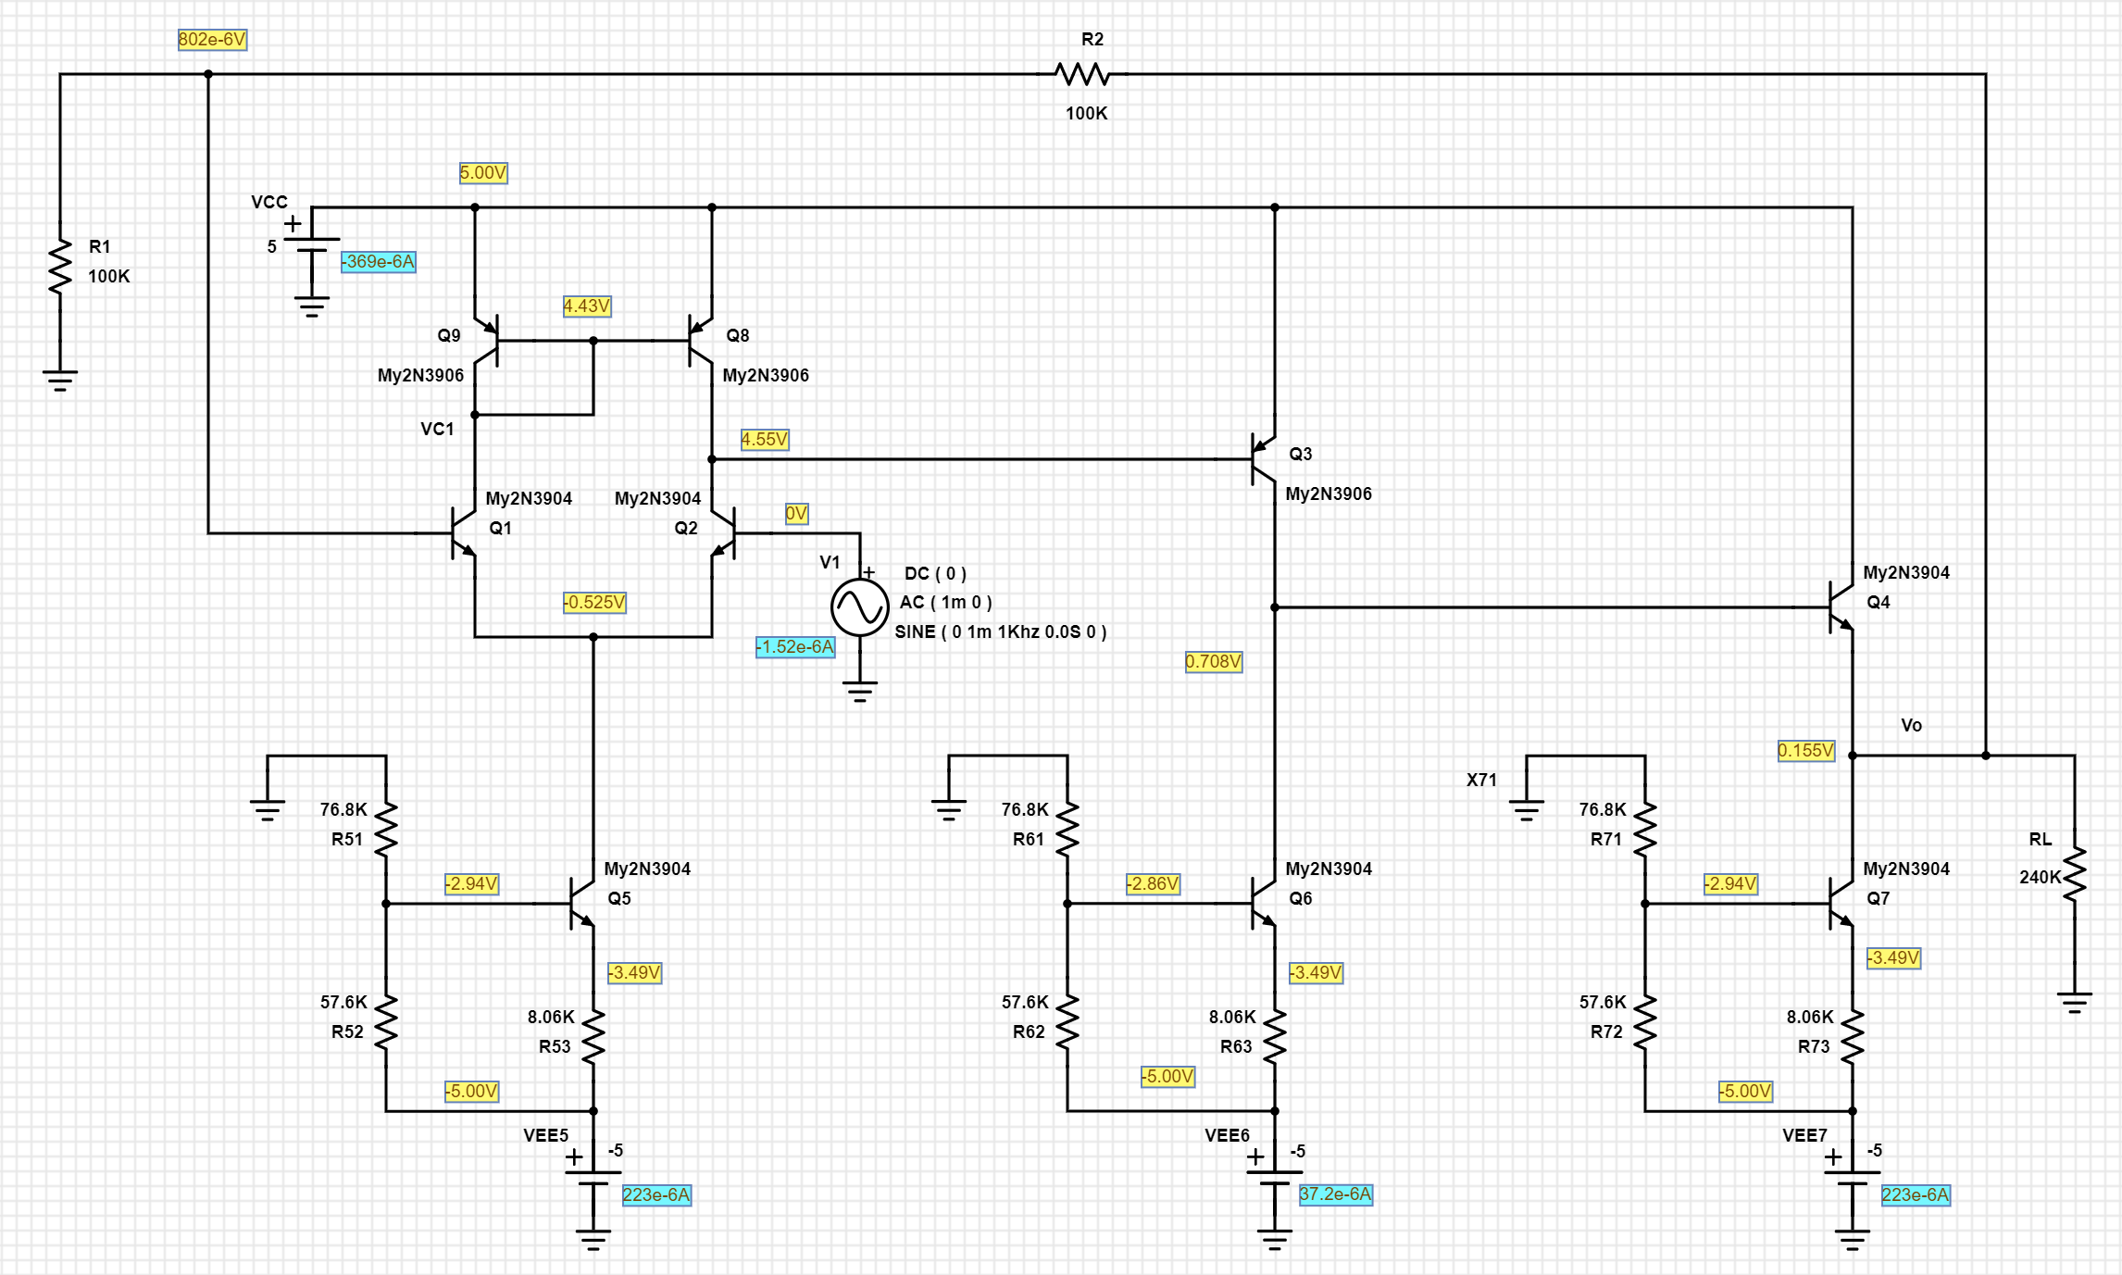
0.000307 | 0.15722395836
0.000332 | 0.15708906567
0.000357 | 0.15691531272
0.000382 | 0.15669899117
0.000407 | 0.15645356994
0.000432 | 0.15617679245
0.000457 | 0.1558839234
0.000482 | 0.15557357896
0.000507 | 0.15526214287
0.000532 | 0.15494839936
0.000557 | 0.15464909849
0.000582 | 0.15436243605
0.000607 | 0.15410480097
0.000632 | 0.15387305521
0.000657 | 0.15368252558
0.000682 | 0.1535281493
0.000707 | 0.15342362568
0.000732 | 0.15336147787
0.000757 | 0.15335343424
0.000782 | 0.15338935822
0.000807 | 0.1534788356
0.000832 | 0.15360905536
0.000857 | 0.15378755425
0.000882 | 0.15399905514
0.000907 | 0.15424937394
0.000932 | 0.1545211838
0.000957 | 0.15481908814
0.000982 | 0.15512432469
0.001007 | 0.15544093676
0.001032 | 0.15574943597
0.001057 | 0.15605405249
0.001082 | 0.1563353287
0.001107 | 0.1565984218
0.001132 | 0.15682464946
0.001157 | 0.15702075795
0.001182 | 0.15716948622
0.001207 | 0.15727972545
0.001232 | 0.1573360912
0.001257 | 0.15734997519
0.001282 | 0.15730814802
0.001307 | 0.15722463783
0.001332 | 0.15708839151
0.001357 | 0.1569159777
0.001382 | 0.15669833327
0.001407 | 0.15645422003
0.001432 | 0.15617614891
0.001457 | 0.15588455975
0.001482 | 0.15557295038
0.001507 | 0.15526276412
0.001532 | 0.15494778585
0.001557 | 0.15464969983
0.001582 | 0.15436184269
0.001607 | 0.15410538243
0.001632 | 0.15387248187
0.001657 | 0.15368309054
0.001682 | 0.15352759736
0.001707 | 0.15342416659
0.001732 | 0.15336095068
0.001757 | 0.15335395564
0.001782 | 0.15338885362
0.001807 | 0.15347932793
0.001832 | 0.15360857683
0.001857 | 0.15378801851
0.001882 | 0.15399860356
0.001907 | 0.1542498082
0.001932 | 0.15452075881
0.001957 | 0.15481949327
0.001982 | 0.15512393447
0.002007 | 0.15544131295
0.002032 | 0.15574908043
0.002057 | 0.15605439013
0.002082 | 0.15633500896
0.002107 | 0.15659872443
0.002132 | 0.15682435713
0.002157 | 0.15702102558
0.002182 | 0.15716923509
0.002207 | 0.157279954
0.002232 | 0.1573358807
0.002257 | 0.15735016433
0.002282 | 0.15730797958
0.002307 | 0.15722478515
0.002332 | 0.15708826582
0.002357 | 0.15691608624
0.002382 | 0.15669824917
0.002407 | 0.1564542777
0.002432 | 0.15617611102
0.002457 | 0.15588457246
0.002482 | 0.15557296005
0.002507 | 0.15526272895
0.002532 | 0.1549478429
0.002557 | 0.15464961513
0.002582 | 0.15436195017
0.002607 | 0.15410524457
0.002632 | 0.15387264162
0.002657 | 0.15368290084
0.002682 | 0.15352781143
0.002707 | 0.15342392125
0.002732 | 0.15336122304
0.002757 | 0.15335365191
0.002782 | 0.15338918376
0.002807 | 0.15347897094
0.002832 | 0.15360896315
0.002857 | 0.15378760194
0.002882 | 0.15399905034
0.002907 | 0.15424932778
0.002932 | 0.15452127142
0.002957 | 0.15481894977
0.002982 | 0.15512450808
0.003007 | 0.15544070756
0.003032 | 0.15574971788
0.003057 | 0.15605372157
0.003082 | 0.1563357106
0.003107 | 0.15659798795
0.003132 | 0.15682513265
0.003157 | 0.15702021969
0.003182 | 0.15717007589
0.003207 | 0.15727907807
0.003232 | 0.15733678875
0.003257 | 0.15734922148
0.003282 | 0.15730896213
0.003307 | 0.15722376786
0.003332 | 0.1570893215
0.003357 | 0.15691499212
0.003382 | 0.15669937783
0.003407 | 0.15645311539
0.003432 | 0.1561773172
0.003457 | 0.15588332838
0.003482 | 0.1555742398
0.003507 | 0.15526141033
0.003532 | 0.15494920132
0.003557 | 0.15464822067
0.003582 | 0.15436338908
0.003607 | 0.1541037699
0.003632 | 0.15387415659
0.003657 | 0.15368134818
0.003682 | 0.15352940782
0.003707 | 0.15342228735
0.003732 | 0.15336289653
0.003757 | 0.15335193698
0.003782 | 0.15339093831
0.003807 | 0.15347717367
0.003832 | 0.15361079789
0.003857 | 0.1537857242
0.003882 | 0.15400097073
0.003907 | 0.15424736905
0.003932 | 0.15452327461
0.003957 | 0.1548169103
0.003982 | 0.15512659272
0.004007 | 0.15543858105
0.004032 | 0.15575188506
0.004057 | 0.15605151285
0.004082 | 0.15633796365
0.004107 | 0.15659569514
0.004132 | 0.15682746515
0.004157 | 0.15701784388
0.004182 | 0.15717249056
0.004207 | 0.15727662096
0.004232 | 0.157339288
0.004257 | 0.1573466786
0.004282 | 0.15731153995
0.004307 | 0.15722114627
0.004332 | 0.15709197897
0.004357 | 0.15691229025
0.004382 | 0.15670212276
0.004407 | 0.15645033185
0.004432 | 0.15618013468
0.004457 | 0.15588047087
0.004482 | 0.15557713752
0.004507 | 0.15525846954
0.004532 | 0.15495217613
0.004557 | 0.15464520196
0.004582 | 0.15436644152
0.004607 | 0.15410067978
0.004632 | 0.15387728646
0.004657 | 0.15367818153
0.004682 | 0.15353260958
0.004707 | 0.15341905128
0.004732 | 0.15336617045
0.004757 | 0.15334862983
0.004782 | 0.15339428141
0.004807 | 0.15347379639
0.004832 | 0.15361421328
0.004857 | 0.15378227804
0.004882 | 0.15400444655
0.004907 | 0.1542438609
0.004932 | 0.15452681258
0.004957 | 0.15481333917
0.004982 | 0.15513019044
0.005007 | 0.15543495213
0.005032 | 0.15575554258
0.005057 | 0.15604782518
0.005082 | 0.15634167293
0.005107 | 0.15659195827
0.005132 | 0.15683122494
0.005157 | 0.15701405718
0.005182 | 0.15717630271
0.005207 | 0.15727278492
0.005232 | 0.15734314459
0.005257 | 0.15734279847
0.005282 | 0.15731543926
0.005307 | 0.1572172269
0.005332 | 0.15709591813
0.005357 | 0.15690833632
0.005382 | 0.15670609147
0.005407 | 0.15644634759
0.005432 | 0.1561841382
0.005457 | 0.15587645458
0.005482 | 0.15558116621
0.005507 | 0.15525443641
0.005532 | 0.15495622676
0.005557 | 0.15464114948
0.005582 | 0.1543705062
0.005607 | 0.15409660705
0.005632 | 0.15388135859
0.005657 | 0.15367410106
0.005682 | 0.15353668976
0.005707 | 0.15341496723
0.005732 | 0.15337025387
0.005757 | 0.15334454954
0.005782 | 0.15339835999
0.005807 | 0.15346972289
0.005832 | 0.15361827982
0.005857 | 0.15377821689
0.005882 | 0.15400850053
0.005907 | 0.15423981973
0.005932 | 0.15453084196
0.005957 | 0.1548093231
0.005982 | 0.15513419237
0.006 | 0.1553429872

Step 1.11
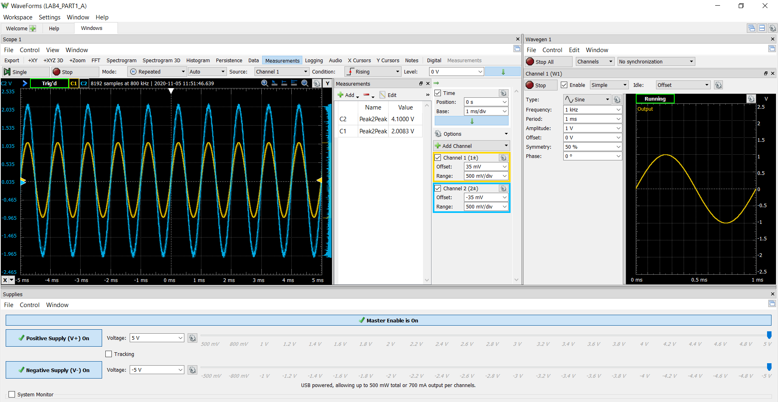
Time (s) | Channel1=V1 (V) | Channel2=Vo (V)
-0.0051188392857 | -0.69020517507 | -1.4149206089 | 0.0011956275933 | 2.0039966166
-0.0051175892857 | -0.68310958766 | -1.4003746547 | 0.0018769158104 | 4.108193064 | -0.015160676644
-0.0051163392857 | -0.67871708116 | -1.3913700164 | 0.0022175599189 | 2.0415276602
-0.0051150892857 | -0.6726351491 | -1.3789020556 | 0.0018769158104
-0.0051138392857 | -0.6658774468 | -1.3650487659 | 0.0022175599189
-0.0051125892857 | -0.66047128496 | -1.3539661342 | 0.0025582040274
-0.0051113392857 | -0.65472723801 | -1.3421908379 | 0.0025582040274
-0.0051100892857 | -0.64864530594 | -1.3297228772 | 0.002898848136
-0.0051088392857 | -0.64222548875 | -1.3165622519 | 0.002898848136
-0.0051075892857 | -0.63614355668 | -1.3040942912 | 0.0022175599189
-0.0051063392857 | -0.63039950973 | -1.2923189949 | 0.0022175599189
-0.0051050892857 | -0.62431757766 | -1.2798510342 | 0.0018769158104
-0.0051038392857 | -0.61823564559 | -1.2673830735 | 0.0025582040274
-0.0051025892857 | -0.61080217307 | -1.2521444548 | 0.0025582040274
-0.0051013392857 | -0.604720241 | -1.239676494 | 0.0018769158104
-0.0051000892857 | -0.59965196427 | -1.2292865268 | 0.0018769158104
-0.0050988392857 | -0.59221849174 | -1.2140479081 | 0.0018769158104
-0.0050975892857 | -0.58512290433 | -1.1995019539 | 0.0025582040274
-0.0050963392857 | -0.58005462761 | -1.1891119866 | 0.0018769158104
-0.0050950892857 | -0.57397269554 | -1.1766440259 | 0.0022175599189
-0.0050938392857 | -0.5662013379 | -1.1607127427 | 0.0018769158104
-0.0050925892857 | -0.56011940583 | -1.1482447819 | 0.0022175599189
-0.0050913392857 | -0.55403747376 | -1.1357768212 | 0.0018769158104
-0.0050900892857 | -0.54660400123 | -1.1205382025 | 0.0018769158104
-0.0050888392857 | -0.54018418405 | -1.1073775773 | 0.0022175599189
-0.0050875892857 | -0.53376436686 | -1.0942169521 | 0.0025582040274
-0.0050863392857 | -0.52734454968 | -1.0810563268 | 0.0018769158104
-0.0050850892857 | -0.52126261761 | -1.0685883661 | 0.0015362717018
-0.0050838392857 | -0.51382914508 | -1.0533497474 | 0.0022175599189
-0.0050825892857 | -0.50639567255 | -1.0381111287 | 0.0022175599189
-0.0050813392857 | -0.49963797026 | -1.024257839 | 0.0032394922445
-0.0050800892857 | -0.49355603819 | -1.0117898783 | 0.0025582040274
-0.0050788392857 | -0.48578468054 | -0.99585859511 | 0.0025582040274
-0.0050775892857 | -0.47902697825 | -0.9820053054 | 0.0022175599189
-0.0050763392857 | -0.47226927595 | -0.96815201569 | 0.0018769158104
-0.0050750892857 | -0.46517368853 | -0.95360606149 | 0.0018769158104
-0.0050738392857 | -0.45774021601 | -0.93836744281 | 0.002898848136
-0.0050725892857 | -0.45098251371 | -0.9245141531 | 0.002898848136
-0.0050713392857 | -0.44388692629 | -0.9099681989 | 0.0022175599189
-0.0050700892857 | -0.43645345376 | -0.89472958022 | 0.0022175599189
-0.0050688392857 | -0.4303715217 | -0.88226161948 | 0.0025582040274
-0.0050675892857 | -0.42293804917 | -0.86702300079 | 0.0025582040274
-0.0050663392857 | -0.41550457664 | -0.85178438211 | 0.0025582040274
-0.0050650892857 | -0.40908475946 | -0.83862375689 | 0.002898848136
-0.0050638392857 | -0.40165128693 | -0.8233851382 | 0.002898848136
-0.0050625892857 | -0.39387992928 | -0.80745385503 | 0.002898848136
-0.0050613392857 | -0.38712222699 | -0.79360056532 | 0.0025582040274
-0.0050600892857 | -0.38036452469 | -0.77974727561 | 0.0025582040274
-0.0050588392857 | -0.37191739681 | -0.76243066347 | 0.0025582040274
-0.0050575892857 | -0.3648218094 | -0.74788470927 | 0.0025582040274
-0.0050563392857 | -0.35738833687 | -0.73264609059 | 0.0025582040274
-0.0050550892857 | -0.34927909411 | -0.71602214294 | 0.0025582040274
-0.0050538392857 | -0.34184562159 | -0.70078352425 | 0.0025582040274
-0.0050525892857 | -0.33508791929 | -0.68693023454 | 0.002898848136
-0.0050513392857 | -0.32765444676 | -0.67169161586 | 0.002898848136
-0.0050500892857 | -0.319545204 | -0.6550676682 | 0.0025582040274
-0.0050488392857 | -0.3127875017 | -0.64121437849 | 0.002898848136
-0.0050475892857 | -0.30434037383 | -0.62389776635 | 0.0025582040274
-0.0050463392857 | -0.29724478642 | -0.60935181215 | 0.0035801363531
-0.0050450892857 | -0.29048708412 | -0.59549852244 | 0.0035801363531
-0.0050438392857 | -0.28305361159 | -0.58025990376 | 0.0035801363531
-0.0050425892857 | -0.27528225395 | -0.56432862059 | 0.0035801363531
-0.0050413392857 | -0.26784878142 | -0.54909000191 | 0.0032394922445
-0.0050400892857 | -0.25973953866 | -0.53246605425 | 0.0032394922445
-0.0050388392857 | -0.25230606613 | -0.51722743557 | 0.0032394922445
-0.0050375892857 | -0.2448725936 | -0.50198881689 | 0.0032394922445
-0.0050363392857 | -0.23743912108 | -0.4867501982 | 0.0035801363531
-0.0050350892857 | -0.22865410809 | -0.46874092158 | 0.0035801363531
-0.0050338392857 | -0.22122063556 | -0.4535023029 | 0.0025582040274
-0.0050325892857 | -0.21412504815 | -0.4389563487 | 0.0022175599189
-0.0050313392857 | -0.20534003516 | -0.42094707207 | 0.0018769158104
-0.0050300892857 | -0.19655502217 | -0.40293779545 | 0.0018769158104
-0.0050288392857 | -0.18979731987 | -0.38908450574 | 0.0025582040274
-0.0050275892857 | -0.18270173246 | -0.37453855154 | 0.0025582040274
-0.0050263392857 | -0.1745924897 | -0.35791460388 | 0.0025582040274
-0.0050250892857 | -0.16749690229 | -0.34336864969 | 0.0022175599189
-0.0050238392857 | -0.15972554464 | -0.32743736652 | 0.0025582040274
-0.0050225892857 | -0.15127841677 | -0.31012075438 | 0.0025582040274
-0.0050213392857 | -0.14485859959 | -0.29696012915 | 0.002898848136
-0.0050200892857 | -0.13674935683 | -0.2803361815 | 0.0025582040274
-0.0050188392857 | -0.12830222896 | -0.26301956936 | 0.0032394922445
-0.0050175892857 | -0.12086875643 | -0.24778095068 | 0.0025582040274
-0.0050163392857 | -0.1134352839 | -0.23254233199 | 0.0025582040274
-0.0050150892857 | -0.10532604114 | -0.21591838434 | 0.002898848136
-0.0050138392857 | -0.097216798382 | -0.19929443668 | 0.0032394922445
-0.0050125892857 | -0.089783325854 | -0.184055818 | 0.002898848136
-0.0050113392857 | -0.081336197981 | -0.16673920586 | 0.0032394922445
-0.0050100892857 | -0.073564840338 | -0.15080792269 | 0.0025582040274
-0.0050088392857 | -0.06545559758 | -0.13418397504 | 0.0022175599189
-0.0050075892857 | -0.057684239936 | -0.11825269187 | 0.0025582040274
-0.0050063392857 | -0.049574997178 | -0.10162874422 | 0.002898848136
-0.0050050892857 | -0.042479409765 | -0.087082790018 | 0.0032394922445
-0.0050038392857 | -0.033694396777 | -0.069073513393 | 0.002898848136
-0.0050025892857 | -0.025585154019 | -0.052449565738 | 0.002898848136
-0.0050013392857 | -0.01882745172 | -0.038596276027 | 0.0022175599189
-0.0050000892857 | -0.010718208962 | -0.021972328372 | 0.0022175599189
-0.0049988392857 | -0.002608966204 | -0.0053483807181 | 0.0025582040274
-0.0049975892857 | 0.0044866212094 | 0.0091975734793 | 0.002898848136
-0.0049963392857 | 0.012595863968 | 0.025821521134 | 0.0032394922445
-0.0049950892857 | 0.021042991841 | 0.043138133273 | 0.002898848136
-0.0049938392857 | 0.028814349484 | 0.059069416442 | 0.0025582040274
-0.0049925892857 | 0.036247822012 | 0.074308035125 | 0.002898848136
-0.0049913392857 | 0.044694949885 | 0.091624647265 | 0.0032394922445
-0.0049900892857 | 0.052128422414 | 0.10686326595 | 0.0035801363531
-0.0049888392857 | 0.059561894942 | 0.12210188463 | 0.002898848136
-0.0049875892857 | 0.068009022815 | 0.13941849677 | 0.0025582040274
-0.0049863392857 | 0.076118265573 | 0.15604244442 | 0.0022175599189
-0.0049850892857 | 0.083551738101 | 0.17128106311 | 0.0025582040274
-0.0049838392857 | 0.09098521063 | 0.18651968179 | 0.0035801363531
-0.0049825892857 | 0.099432338503 | 0.20383629393 | 0.0042614245701
-0.0049813392857 | 0.10686581103 | 0.21907491261 | 0.0039207804616
-0.0049800892857 | 0.1153129389 | 0.23639152475 | 0.0032394922445
-0.0049788392857 | 0.12342218166 | 0.25301547241 | 0.002898848136
-0.0049775892857 | 0.13051776908 | 0.26756142661 | 0.0032394922445
-0.0049763392857 | 0.1379512416 | 0.28280004529 | 0.002898848136
-0.0049750892857 | 0.14673625459 | 0.30080932191 | 0.0032394922445
-0.0049738392857 | 0.15383184201 | 0.31535527611 | 0.0032394922445
-0.0049725892857 | 0.16092742942 | 0.32990123031 | 0.002898848136
-0.0049713392857 | 0.16869878706 | 0.34583251348 | 0.0032394922445
-0.0049700892857 | 0.17647014471 | 0.36176379665 | 0.00085498348476
-0.0049688392857 | 0.18424150235 | 0.37769507981 | 0.0018769158104
-0.0049675892857 | 0.19201285999 | 0.39362636298 | 0.0025582040274
-0.0049663392857 | 0.20079787298 | 0.41163563961 | 0.002898848136
-0.0049650892857 | 0.20721769016 | 0.42479626483 | 0.002898848136
-0.0049638392857 | 0.21600270315 | 0.44280554146 | 0.0022175599189
-0.0049625892857 | 0.22343617568 | 0.45804416014 | 0.0025582040274
-0.0049613392857 | 0.23053176309 | 0.47259011434 | 0.002898848136
-0.0049600892857 | 0.23864100585 | 0.48921406199 | 0.002898848136
-0.0049588392857 | 0.24607447838 | 0.50445268068 | 0.0025582040274
-0.0049575892857 | 0.25350795091 | 0.51969129936 | 0.002898848136
-0.0049563392857 | 0.26127930855 | 0.53562258253 | 0.0025582040274
-0.0049550892857 | 0.26938855131 | 0.55224653018 | 0.0032394922445
-0.0049538392857 | 0.27648413872 | 0.56679248438 | 0.0032394922445
-0.0049525892857 | 0.28324184102 | 0.58064577409 | 0.002898848136
-0.0049513392857 | 0.29135108378 | 0.59726972175 | 0.0032394922445
-0.0049500892857 | 0.29878455631 | 0.61250834043 | 0.0032394922445
-0.0049488392857 | 0.30621802884 | 0.62774695911 | 0.002898848136
-0.0049475892857 | 0.31398938648 | 0.64367824228 | 0.0025582040274
-0.0049463392857 | 0.32176074412 | 0.65960952545 | 0.002898848136
-0.0049450892857 | 0.32818056131 | 0.67277015068 | 0.002898848136
-0.0049438392857 | 0.33628980406 | 0.68939409833 | 0.002898848136
-0.0049425892857 | 0.34406116171 | 0.7053253815 | 0.002898848136
-0.0049413392857 | 0.35048097889 | 0.71848600673 | 0.0025582040274
-0.0049400892857 | 0.35825233653 | 0.73441728989 | 0.0025582040274
-0.0049388392857 | 0.36636157929 | 0.75104123755 | 0.002898848136
-0.0049375892857 | 0.37278139648 | 0.76420186277 | 0.002898848136
-0.0049363392857 | 0.38055275412 | 0.78013314594 | 0.002898848136
-0.0049350892857 | 0.38798622665 | 0.79537176463 | 0.002898848136
-0.0049338392857 | 0.39474392895 | 0.80922505434 | 0.0025582040274
-0.0049325892857 | 0.40150163124 | 0.82307834405 | 0.0025582040274
-0.0049313392857 | 0.40927298889 | 0.83900962722 | 0.002898848136
-0.0049300892857 | 0.41569280607 | 0.85217025244 | 0.002898848136
-0.0049288392857 | 0.4231262786 | 0.86740887113 | 0.0032394922445
-0.0049275892857 | 0.43089763624 | 0.8833401543 | 0.0025582040274
-0.0049263392857 | 0.4366416832 | 0.89511545055 | 0.0022175599189
-0.0049250892857 | 0.44475092595 | 0.91173939821 | 0.002898848136
-0.0049238392857 | 0.45184651337 | 0.9262853524 | 0.002898848136
-0.0049225892857 | 0.45826633055 | 0.93944597763 | 0.0025582040274
-0.0049213392857 | 0.46536191796 | 0.95399193183 | 0.002898848136
-0.0049200892857 | 0.47245750538 | 0.96853788602 | 0.0039207804616
-0.0049188392857 | 0.47955309279 | 0.98308384022 | 0.0035801363531
-0.0049175892857 | 0.48529713974 | 0.99485913648 | 0.002898848136
-0.0049163392857 | 0.49273061227 | 1.0100977552 | 0.002898848136
-0.0049150892857 | 0.5001640848 | 1.0253363738 | 0.0035801363531
-0.0049138392857 | 0.50658390198 | 1.0384969991 | 0.0032394922445
-0.0049125892857 | 0.51266583405 | 1.0509649598 | 0.0032394922445
-0.0049113392857 | 0.51942353635 | 1.0648182495 | 0.002898848136
-0.0049100892857 | 0.52618123865 | 1.0786715392 | 0.0032394922445
-0.0049088392857 | 0.53293894095 | 1.0925248289 | 0.002898848136
-0.0049075892857 | 0.54003452836 | 1.1070707831 | 0.0025582040274
-0.0049063392857 | 0.54577857532 | 1.1188460794 | 0.0025582040274
-0.0049050892857 | 0.55186050738 | 1.1313140401 | 0.002898848136
-0.0049038392857 | 0.55963186503 | 1.1472453233 | 0.0022175599189
-0.0049025892857 | 0.56537591198 | 1.1590206196 | 0.0022175599189
-0.0049013392857 | 0.57111995894 | 1.1707959158 | 0.0025582040274
-0.0049000892857 | 0.57889131658 | 1.186727199 | 0.0025582040274
-0.0048988392857 | 0.58497324865 | 1.1991951597 | -0.00050759294939
-0.0048975892857 | 0.59105518072 | 1.2116631205 | 0.00085498348476
-0.0048963392857 | 0.59848865324 | 1.2269017391 | 0.0015362717018
-0.0048950892857 | 0.60457058531 | 1.2393696999 | 0.0015362717018
-0.0048938392857 | 0.60930097692 | 1.2490670027 | 0.0015362717018
-0.0048925892857 | 0.61605867922 | 1.2629202924 | 0.0018769158104
-0.0048913392857 | 0.62315426663 | 1.2774662466 | 0.0022175599189
-0.0048900892857 | 0.62788465824 | 1.2871635494 | 0.0018769158104
-0.0048888392857 | 0.63430447543 | 1.3003241746 | 0.0015362717018
-0.0048875892857 | 0.64106217772 | 1.3141774643 | 0.0011956275933
-0.0048863392857 | 0.64613045445 | 1.3245674316 | 0.0018769158104
-0.0048850892857 | 0.65119873117 | 1.3349573989 | 0.00085498348476
-0.0048838392857 | 0.65761854836 | 1.3481180241 | -0.00050759294939
-0.0048825892857 | 0.66403836554 | 1.3612786494 | -0.0011888811665
-0.0048813392857 | 0.66978241249 | 1.3730539456 | -0.00084823705792
-0.0048800892857 | 0.67586434456 | 1.3855219064 | -0.00016694884085
-0.0048788392857 | 0.6812705064 | 1.3966045381 | 0.00085498348476
-0.0048775892857 | 0.68735243847 | 1.4090724989 | 0.0015362717018
-0.0048763392857 | 0.69242071519 | 1.4194624661 | 0.0015362717018
-0.0048750892857 | 0.69884053238 | 1.4326230914 | 0.0011956275933
-0.0048738392857 | 0.70357092398 | 1.4423203942 | 0.00051433937622
-0.0048725892857 | 0.70965285605 | 1.4547883549 | 0.00051433937622
-0.0048713392857 | 0.71505901789 | 1.4658709867 | 0.00085498348476
-0.0048700892857 | 0.71945152439 | 1.474875625 | 0.00085498348476
-0.0048688392857 | 0.72587134157 | 1.4880362502 | 0.0025582040274
-0.0048675892857 | 0.73060173318 | 1.497733553 | 0.0039207804616
-0.0048663392857 | 0.73600789502 | 1.5088161848 | 0.0046020686787
-0.0048650892857 | 0.74107617174 | 1.5192061521 | 0.0046020686787
-0.0048638392857 | 0.74715810381 | 1.5316741128 | 0.0042614245701
-0.0048625892857 | 0.7515506103 | 1.5406787511 | 0.0035801363531
-0.0048613392857 | 0.75661888703 | 1.5510687184 | 0.0035801363531
-0.0048600892857 | 0.76202504887 | 1.5621513502 | 0.0039207804616
-0.0048588392857 | 0.76709332559 | 1.5725413175 | 0.0025582040274
-0.0048575892857 | 0.77114794697 | 1.5808532913 | 0.0025582040274
-0.0048563392857 | 0.77689199392 | 1.5926285875 | 0.0035801363531
-0.0048550892857 | 0.78162238553 | 1.6023258903 | 0.0052833568957
-0.0048538392857 | 0.78635277714 | 1.6120231931 | 0.0056240010043
-0.0048525892857 | 0.79142105386 | 1.6224131604 | 0.0046020686787
-0.0048513392857 | 0.7968272157 | 1.6334957922 | 0.0035801363531
-0.0048500892857 | 0.80020606685 | 1.640422437 | 0.0035801363531
-0.0048488392857 | 0.80527434358 | 1.6508124043 | 0.002898848136
-0.0048475892857 | 0.81000473519 | 1.6605097071 | 0.002898848136
-0.0048463392857 | 0.81405935656 | 1.668821681 | 0.0025582040274
-0.0048450892857 | 0.81912763329 | 1.6792116482 | 0.0022175599189
-0.0048438392857 | 0.82318225467 | 1.6875236221 | 0.0015362717018
-0.0048425892857 | 0.82791264628 | 1.6972209249 | 0.00085498348476
-0.0048413392857 | 0.83230515277 | 1.7062255632 | 0.0015362717018
-0.0048400892857 | 0.83568400392 | 1.713152208 | 0.0018769158104
-0.0048388392857 | 0.84007651041 | 1.7221568463 | 0.0022175599189
-0.0048375892857 | 0.84446901691 | 1.7311614847 | 0.0025582040274
-0.0048363392857 | 0.8488615234 | 1.740166123 | 0.00085498348476
-0.0048350892857 | 0.85291614478 | 1.7484780968 | 0.0015362717018
-0.0048338392857 | 0.85663288104 | 1.7560974061 | 0.0018769158104
-0.0048325892857 | 0.86068750242 | 1.76440938 | 0.0022175599189
-0.0048313392857 | 0.86508000892 | 1.7734140183 | 0.0022175599189
-0.0048300892857 | 0.86845886007 | 1.7803406631 | 0.0011956275933
-0.0048288392857 | 0.87217559633 | 1.7879599725 | 0.0011956275933
-0.0048275892857 | 0.8758923326 | 1.7955792818 | 0.00051433937622
-0.0048263392857 | 0.87893329863 | 1.8018132622 | 0.00085498348476
-0.0048250892857 | 0.88366369024 | 1.811510565 | 0.0011956275933
-0.0048238392857 | 0.88670465627 | 1.8177445454 | 0.0015362717018
-0.0048225892857 | 0.88940773719 | 1.8232858612 | 0.0015362717018
-0.0048213392857 | 0.89380024369 | 1.8322904996 | 0.0011956275933
-0.0048200892857 | 0.89785486507 | 1.8406024734 | 0.0011956275933
-0.0048188392857 | 0.90055794598 | 1.8461437893 | 0.0018769158104
-0.0048175892857 | 0.90393679713 | 1.8530704341 | 0.0022175599189
-0.0048163392857 | 0.90731564828 | 1.859997079 | 0.0022175599189
-0.0048150892857 | 0.90968084409 | 1.8648457304 | 0.0022175599189
-0.0048138392857 | 0.91305969524 | 1.8717723752 | 0.0011956275933
-0.0048125892857 | 0.91610066127 | 1.8780063556 | 0.00051433937622
-0.0048113392857 | 0.91880374219 | 1.8835476715 | -0.00016694884085
-0.0048100892857 | 0.92184470823 | 1.8897816519 | 0.00085498348476
-0.0048088392857 | 0.92556144449 | 1.8974009612 | 0.00051433937622
-0.0048075892857 | 0.92860241052 | 1.9036349416 | 0.00051433937622
-0.0048063392857 | 0.93062972121 | 1.9077909285 | 0.00085498348476
-0.0048050892857 | 0.93333280213 | 1.9133322444 | 0.0011956275933
-0.0048038392857 | 0.93603588305 | 1.9188735603 | 0.0011956275933
-0.0048025892857 | 0.93806319374 | 1.9230295472 | 0.0011956275933
-0.0048013392857 | 0.94144204489 | 1.929956192 | 0.0011956275933
-0.0048000892857 | 0.94346935558 | 1.9341121789 | 0.0015362717018
-0.0047988392857 | 0.9461724365 | 1.9396534948 | 0.00085498348476
-0.0047975892857 | 0.9485376323 | 1.9445021462 | 0.00051433937622
-0.0047963392857 | 0.95090282811 | 1.9493507976 | 0.00017369526769
-0.0047950892857 | 0.95259225368 | 1.9528141201 | 0.00017369526769
-0.0047938392857 | 0.95495744949 | 1.9576627714 | 0.00051433937622
-0.0047925892857 | 0.95766053041 | 1.9632040873 | 0.00085498348476
-0.0047913392857 | 0.95867418575 | 1.9652820808 | 0.00051433937622
-0.0047900892857 | 0.96070149644 | 1.9694380677 | 0.00051433937622
-0.0047888392857 | 0.96306669225 | 1.9742867191 | 0.00085498348476
-0.0047875892857 | 0.96543188805 | 1.9791353705 | 0.0011956275933
-0.0047863392857 | 0.96610765828 | 1.9805206995 | 0.0015362717018
-0.0047850892857 | 0.96914862431 | 1.9867546798 | 0.0011956275933
-0.0047838392857 | 0.97016227966 | 1.9888326733 | 0.00051433937622
-0.0047825892857 | 0.97218959035 | 1.9929886602 | 0.00017369526769
-0.0047813392857 | 0.97387901592 | 1.9964519826 | -0.00016694884085
-0.0047800892857 | 0.97590632661 | 2.0006079696 | -0.00016694884085
-0.0047788392857 | 0.97624421173 | 2.001300634 | 0.00017369526769
-0.0047775892857 | 0.9779336373 | 2.0047639565 | 0.00051433937622
-0.0047763392857 | 0.98029883311 | 2.0096126079 | 0.00017369526769
-0.0047750892857 | 0.98097460334 | 2.0109979368 | 0.00051433937622
-0.0047738392857 | 0.98198825868 | 2.0130759303 | 0.00051433937622
-0.0047725892857 | 0.98333979914 | 2.0158465882 | 0.00051433937622
-0.0047713392857 | 0.98401556937 | 2.0172319172 | 0.00051433937622
-0.0047700892857 | 0.98502922472 | 2.0193099107 | 0.0011956275933
-0.0047688392857 | 0.98604288006 | 2.0213879041 | 0.00051433937622
-0.0047675892857 | 0.98671865029 | 2.0227732331 | 0.00017369526769
-0.0047663392857 | 0.98807019075 | 2.025543891 | -0.00016694884085
-0.0047650892857 | 0.98908384609 | 2.0276218845 | -0.00016694884085
-0.0047638392857 | 0.98975961632 | 2.0290072135 | -0.00016694884085
-0.0047625892857 | 0.99043538655 | 2.0303925424 | 0.00017369526769
-0.0047613392857 | 0.99077327167 | 2.0310852069 | -0.00016694884085
-0.0047600892857 | 0.99212481213 | 2.0338558649 | -0.00016694884085
-0.0047588392857 | 0.99246269724 | 2.0345485293 | 0.00017369526769
-0.0047575892857 | 0.99246269724 | 2.0345485293 | 0.00051433937622
-0.0047563392857 | 0.99246269724 | 2.0345485293 | 0.00017369526769
-0.0047550892857 | 0.99246269724 | 2.0345485293 | 0.00051433937622
-0.0047538392857 | 0.99313846747 | 2.0359338583 | 0.00051433937622
-0.0047525892857 | 0.99313846747 | 2.0359338583 | 0.00051433937622
-0.0047513392857 | 0.99280058236 | 2.0352411938 | 0.00085498348476
-0.0047500892857 | 0.99313846747 | 2.0359338583 | 0.00085498348476
-0.0047488392857 | 0.99347635259 | 2.0366265228 | 0.00017369526769
-0.0047475892857 | 0.99347635259 | 2.0366265228 | 0.00051433937622
-0.0047463392857 | 0.99313846747 | 2.0359338583 | 0.00085498348476
-0.0047450892857 | 0.99280058236 | 2.0352411938 | 0.00085498348476
-0.0047438392857 | 0.99280058236 | 2.0352411938 | 0.00017369526769
-0.0047425892857 | 0.99313846747 | 2.0359338583 | 0.00051433937622
-0.0047413392857 | 0.99212481213 | 2.0338558649 | 0.00051433937622
-0.0047400892857 | 0.99246269724 | 2.0345485293 | 0.00051433937622
-0.0047388392857 | 0.99178692701 | 2.0331632004 | 0.00051433937622
-0.0047375892857 | 0.99111115678 | 2.0317778714 | -0.00016694884085
-0.0047363392857 | 0.99009750144 | 2.029699878 | -0.00050759294939
-0.0047350892857 | 0.98975961632 | 2.0290072135 | -0.00050759294939
-0.0047338392857 | 0.98908384609 | 2.0276218845 | -0.00084823705792
-0.0047325892857 | 0.98773230563 | 2.0248512266 | -0.0018701693835
-0.0047313392857 | 0.98638076518 | 2.0220805686 | -0.0025514576006
-0.0047300892857 | 0.98570499495 | 2.0206952396 | -0.001529525275
-0.0047288392857 | 0.98502922472 | 2.0193099107 | -0.0011888811665
-0.0047275892857 | 0.9846913396 | 2.0186172462 | -0.0011888811665
-0.0047263392857 | 0.9823261438 | 2.0137685948 | -0.00050759294939
-0.0047250892857 | 0.98131248845 | 2.0116906013 | -0.00084823705792
-0.0047238392857 | 0.97996094799 | 2.0089199434 | -0.00084823705792
-0.0047225892857 | 0.98029883311 | 2.0096126079 | -0.0011888811665
-0.0047213392857 | 0.97827152242 | 2.005456621 | -0.0011888811665
-0.0047200892857 | 0.97658209684 | 2.0019932985 | -0.0011888811665
-0.0047188392857 | 0.97489267127 | 1.9985299761 | -0.0011888811665
-0.0047175892857 | 0.97320324569 | 1.9950666537 | -0.00084823705792
-0.0047163392857 | 0.97185170523 | 1.9922959957 | -0.0011888811665
-0.0047150892857 | 0.97050016477 | 1.9895253378 | -0.0011888811665
-0.0047138392857 | 0.9688107392 | 1.9860620154 | -0.0011888811665
-0.0047125892857 | 0.96712131362 | 1.9825986929 | -0.00084823705792
-0.0047113392857 | 0.96576977316 | 1.979828035 | -0.00050759294939
-0.0047100892857 | 0.96306669225 | 1.9742867191 | -0.00050759294939
-0.0047088392857 | 0.96070149644 | 1.9694380677 | -0.00050759294939
-0.0047075892857 | 0.95867418575 | 1.9652820808 | -0.0011888811665
-0.0047063392857 | 0.95664687506 | 1.9611260939 | -0.0011888811665
-0.0047050892857 | 0.95461956437 | 1.956970107 | -0.001529525275
-0.0047038392857 | 0.95259225368 | 1.9528141201 | -0.0011888811665
-0.0047025892857 | 0.95090282811 | 1.9493507976 | -0.001529525275
-0.0047013392857 | 0.9485376323 | 1.9445021462 | -0.001529525275
-0.0047000892857 | 0.94549666627 | 1.9382681659 | -0.001529525275
-0.0046988392857 | 0.94380724069 | 1.9348048434 | -0.0011888811665
-0.0046975892857 | 0.94076627466 | 1.9285708631 | -0.00084823705792
-0.0046963392857 | 0.93873896397 | 1.9244148761 | -0.00050759294939
-0.0046950892857 | 0.93569799794 | 1.9181808958 | -0.00050759294939
-0.0046938392857 | 0.93333280213 | 1.9133322444 | -0.00050759294939
-0.0046925892857 | 0.93062972121 | 1.9077909285 | -0.00050759294939
-0.0046913392857 | 0.92826452541 | 1.9029422771 | -0.0011888811665
-0.0046900892857 | 0.92488567426 | 1.8960156322 | -0.001529525275
-0.0046888392857 | 0.92150682311 | 1.8890889874 | -0.00084823705792
-0.0046875892857 | 0.91846585708 | 1.882855007 | -0.0011888811665
-0.0046863392857 | 0.91610066127 | 1.8780063556 | -0.00050759294939
-0.0046850892857 | 0.91272181012 | 1.8710797108 | -0.00016694884085
-0.0046838392857 | 0.90934295897 | 1.8641530659 | -0.00016694884085
-0.0046825892857 | 0.90630199294 | 1.8579190855 | -0.00084823705792
-0.0046813392857 | 0.90359891202 | 1.8523777696 | -0.00084823705792
-0.0046800892857 | 0.90022006087 | 1.8454511248 | -0.00016694884085
-0.0046788392857 | 0.89650332461 | 1.8378318154 | -0.00050759294939
-0.0046775892857 | 0.89278658834 | 1.8302125061 | -0.00050759294939
-0.0046763392857 | 0.88974562231 | 1.8239785257 | -0.001529525275
-0.0046750892857 | 0.88602888604 | 1.8163592164 | -0.0018701693835
-0.0046738392857 | 0.88332580512 | 1.8108179005 | -0.0025514576006
-0.0046725892857 | 0.87960906886 | 1.8031985912 | -0.0035733899262
-0.0046713392857 | 0.8758923326 | 1.7955792818 | -0.0028921017091
-0.0046700892857 | 0.87251348145 | 1.788652637 | -0.0022108134921
-0.0046688392857 | 0.86778308984 | 1.7789553342 | -0.0025514576006
-0.0046675892857 | 0.8647421238 | 1.7727213538 | -0.0022108134921
-0.0046663392857 | 0.86001173219 | 1.763024051 | -0.0018701693835
-0.0046650892857 | 0.85528134059 | 1.7533267482 | -0.0011888811665
-0.0046638392857 | 0.85190248944 | 1.7464001033 | -0.001529525275
-0.0046625892857 | 0.84784786806 | 1.7380881295 | -0.001529525275
-0.0046613392857 | 0.84379324668 | 1.7297761557 | -0.0018701693835
-0.0046600892857 | 0.83940074018 | 1.7207715174 | -0.0022108134921
-0.0046588392857 | 0.83568400392 | 1.713152208 | -0.0022108134921
-0.0046575892857 | 0.83162938254 | 1.7048402342 | -0.0025514576006
-0.0046563392857 | 0.82723687605 | 1.6958355959 | -0.0022108134921
-0.0046550892857 | 0.82284436955 | 1.6868309576 | -0.0018701693835
-0.0046538392857 | 0.81878974817 | 1.6785189838 | -0.0022108134921
-0.0046525892857 | 0.81439724168 | 1.6695143454 | -0.0018701693835
-0.0046513392857 | 0.80932896496 | 1.6591243782 | -0.0018701693835
-0.0046500892857 | 0.80527434358 | 1.6508124043 | -0.0022108134921
-0.0046488392857 | 0.80020606685 | 1.640422437 | -0.001529525275
-0.0046475892857 | 0.79581356036 | 1.6314177987 | -0.0018701693835
-0.0046463392857 | 0.79108316875 | 1.6217204959 | -0.0022108134921
-0.0046450892857 | 0.78567700691 | 1.6106378642 | -0.0022108134921
-0.0046438392857 | 0.78128450042 | 1.6016332259 | -0.0022108134921
-0.0046425892857 | 0.77621622369 | 1.5912432586 | -0.0028921017091
-0.0046413392857 | 0.77114794697 | 1.5808532913 | -0.0028921017091
-0.0046400892857 | 0.76743121071 | 1.5732339819 | -0.0025514576006
-0.0046388392857 | 0.76134927864 | 1.5607660212 | -0.0022108134921
-0.0046375892857 | 0.75560523168 | 1.548990725 | -0.0022108134921
-0.0046363392857 | 0.75121272519 | 1.5399860866 | -0.0022108134921
-0.0046350892857 | 0.74614444847 | 1.5295961194 | -0.0018701693835
-0.0046338392857 | 0.74040040151 | 1.5178208231 | -0.0018701693835
-0.0046325892857 | 0.73600789502 | 1.5088161848 | -0.0018701693835
-0.0046313392857 | 0.73161538852 | 1.4998115465 | -0.0022108134921
-0.0046300892857 | 0.72485768622 | 1.4859582568 | -0.0025514576006
-0.0046288392857 | 0.71911363927 | 1.4741829605 | -0.0028921017091
-0.0046275892857 | 0.71472113278 | 1.4651783222 | -0.0025514576006
-0.0046263392857 | 0.70796343048 | 1.4513250325 | -0.0028921017091
-0.0046250892857 | 0.70289515375 | 1.4409350652 | -0.0025514576006
-0.0046238392857 | 0.69850264726 | 1.4319304269 | -0.0011888811665
-0.0046225892857 | 0.69275860031 | 1.4201551306 | -0.001529525275
-0.0046213392857 | 0.68633878312 | 1.4069945054 | -0.0018701693835
-0.0046200892857 | 0.68059473617 | 1.3952192091 | -0.0011888811665
-0.0046188392857 | 0.67485068922 | 1.3834439129 | -0.001529525275
-0.0046175892857 | 0.66910664226 | 1.3716686166 | -0.0011888811665
-0.0046163392857 | 0.66302471019 | 1.3592006559 | -0.0011888811665
-0.0046150892857 | 0.65761854836 | 1.3481180241 | -0.0022108134921
-0.0046138392857 | 0.65119873117 | 1.3349573989 | -0.0025514576006
-0.0046125892857 | 0.64545468422 | 1.3231821026 | -0.0025514576006
-0.0046113392857 | 0.63971063726 | 1.3114068064 | -0.0028921017091
-0.0046100892857 | 0.63261504985 | 1.2968608522 | -0.0049359663604
-0.0046088392857 | 0.6268710029 | 1.2850855559 | -0.0042546781433
-0.0046075892857 | 0.62214061129 | 1.2753882531 | -0.0042546781433
-0.0046063392857 | 0.61605867922 | 1.2629202924 | -0.0035733899262
-0.0046050892857 | 0.60930097692 | 1.2490670027 | -0.0028921017091
-0.0046038392857 | 0.60389481508 | 1.2379843709 | -0.0022108134921
-0.0046025892857 | 0.59679922767 | 1.2234384167 | -0.0022108134921
-0.0046013392857 | 0.58970364026 | 1.2088924625 | -0.0025514576006
-0.0046000892857 | 0.58429747842 | 1.1978098308 | -0.0028921017091
-0.0045988392857 | 0.57787766123 | 1.1846492055 | -0.0028921017091
-0.0045975892857 | 0.57111995894 | 1.1707959158 | -0.0032327458177
-0.0045963392857 | 0.56537591198 | 1.1590206196 | -0.0035733899262
-0.0045950892857 | 0.55861820968 | 1.1451673298 | -0.0035733899262
-0.0045938392857 | 0.55186050738 | 1.1313140401 | -0.0032327458177
-0.0045925892857 | 0.5454406902 | 1.1181534149 | -0.0035733899262
-0.0045913392857 | 0.53902087302 | 1.1049927897 | -0.0032327458177
-0.0045900892857 | 0.53226317072 | 1.0911395 | -0.0025514576006
-0.0045888392857 | 0.52550546842 | 1.0772862103 | -0.0025514576006
-0.0045875892857 | 0.52009930658 | 1.0662035785 | -0.0022108134921
-0.0045863392857 | 0.51232794894 | 1.0502722953 | -0.0022108134921
-0.0045850892857 | 0.50523236153 | 1.0357263411 | -0.0022108134921
-0.0045838392857 | 0.49948831457 | 1.0239510449 | -0.0032327458177
-0.0045825892857 | 0.49273061227 | 1.0100977552 | -0.0032327458177
-0.0045813392857 | 0.48495925463 | 0.99416647199 | -0.0028921017091
-0.0045800892857 | 0.47820155233 | 0.98031318228 | -0.0032327458177
-0.0045788392857 | 0.47144385003 | 0.96645989257 | -0.0028921017091
-0.0045775892857 | 0.4640103775 | 0.95122127388 | -0.0032327458177
-0.0045763392857 | 0.45792844544 | 0.93875331314 | -0.0032327458177
-0.0045750892857 | 0.45049497291 | 0.92351469446 | -0.0035733899262
-0.0045738392857 | 0.44373727061 | 0.90966140475 | -0.0025514576006
-0.0045725892857 | 0.43697956831 | 0.89580811504 | -0.0025514576006
-0.0045713392857 | 0.42954609578 | 0.88056949635 | -0.0022108134921
-0.0045700892857 | 0.42177473814 | 0.86463821319 | -0.0028921017091
-0.0045688392857 | 0.41434126561 | 0.8493995945 | -0.0028921017091
-0.0045675892857 | 0.40825933354 | 0.83693163376 | -0.0028921017091
-0.0045663392857 | 0.4004879759 | 0.82100035059 | -0.0032327458177
-0.0045650892857 | 0.39339238849 | 0.8064543964 | -0.0032327458177
-0.0045638392857 | 0.38663468619 | 0.79260110668 | -0.0032327458177
-0.0045625892857 | 0.37886332854 | 0.77666982352 | -0.0035733899262
-0.0045613392857 | 0.37142985602 | 0.76143120483 | -0.0032327458177
-0.0045600892857 | 0.36501003883 | 0.74827057961 | -0.0022108134921
-0.0045588392857 | 0.3575765663 | 0.73303196092 | -0.001529525275
-0.0045575892857 | 0.34980520866 | 0.71710067775 | -0.0011888811665
-0.0045563392857 | 0.34372327659 | 0.70463271701 | -0.001529525275
-0.0045550892857 | 0.33561403383 | 0.68800876936 | -0.0018701693835
-0.0045538392857 | 0.32818056131 | 0.67277015068 | -0.0025514576006
-0.0045525892857 | 0.32108497389 | 0.65822419648 | -0.0025514576006
-0.0045513392857 | 0.31297573113 | 0.64160024882 | -0.0028921017091
-0.0045500892857 | 0.30452860326 | 0.62428363668 | -0.0032327458177
-0.0045488392857 | 0.29743301585 | 0.60973768249 | -0.0032327458177
-0.0045475892857 | 0.29067531355 | 0.59588439278 | -0.0032327458177
-0.0045463392857 | 0.28256607079 | 0.57926044512 | -0.0056172545774
-0.0045450892857 | 0.27547048338 | 0.56471449092 | -0.0035733899262
-0.0045438392857 | 0.26769912573 | 0.54878320776 | -0.0032327458177
-0.0045425892857 | 0.26026565321 | 0.53354458907 | -0.0025514576006
-0.0045413392857 | 0.25249429556 | 0.5176133059 | -0.0025514576006
-0.0045400892857 | 0.24472293792 | 0.50168202274 | -0.0028921017091
-0.0045388392857 | 0.23796523562 | 0.48782873302 | -0.0032327458177
-0.0045375892857 | 0.22985599286 | 0.47120478537 | -0.0039140340348
-0.0045363392857 | 0.22343617568 | 0.45804416014 | -0.0035733899262
-0.0045350892857 | 0.21465116269 | 0.44003488352 | -0.0039140340348
-0.0045338392857 | 0.20620403482 | 0.42271827138 | -0.0045953222518
-0.0045325892857 | 0.19944633252 | 0.40886498167 | -0.0042546781433
-0.0045313392857 | 0.19133708976 | 0.39224103401 | -0.0035733899262
-0.0045300892857 | 0.18356573212 | 0.37630975084 | -0.0028921017091
-0.0045288392857 | 0.17680802982 | 0.36245646113 | -0.0025514576006
-0.0045275892857 | 0.16802301683 | 0.34444718451 | -0.0025514576006
-0.0045263392857 | 0.1605895443 | 0.32920856582 | -0.0028921017091
-0.0045250892857 | 0.15281818666 | 0.31327728265 | -0.0028921017091
-0.0045238392857 | 0.14504682902 | 0.29734599949 | -0.0032327458177
-0.0045225892857 | 0.13592393091 | 0.27864405837 | -0.0039140340348
-0.0045213392857 | 0.12849045839 | 0.26340543969 | -0.0042546781433
-0.0045200892857 | 0.1220706412 | 0.25024481447 | -0.0042546781433
-0.0045188392857 | 0.11396139844 | 0.23362086681 | -0.0045953222518
-0.0045175892857 | 0.10585215569 | 0.21699691916 | -0.0042546781433
-0.0045163392857 | 0.099094453388 | 0.20314362945 | -0.0035733899262
-0.0045150892857 | 0.091323095745 | 0.18721234628 | -0.0032327458177
-0.0045138392857 | 0.082538082757 | 0.16920306965 | -0.0028921017091
-0.0045125892857 | 0.074766725113 | 0.15327178648 | -0.0025514576006
-0.0045113392857 | 0.06699536747 | 0.13734050331 | -0.0022108134921
-0.0045100892857 | 0.058548239597 | 0.12002389117 | -0.0025514576006
-0.0045088392857 | 0.051452652184 | 0.10547793698 | -0.0025514576006
-0.0045075892857 | 0.04368129454 | 0.089546653808 | -0.0039140340348
-0.0045063392857 | 0.035234166667 | 0.072230041668 | -0.0052766104689
-0.0045050892857 | 0.028476464369 | 0.058376751956 | -0.006639186903
-0.0045038392857 | 0.020367221611 | 0.041752804302 | -0.0069798310116
-0.0045025892857 | 0.011582208623 | 0.023743527677 | -0.006639186903
-0.0045013392857 | 0.0048245063243 | 0.0098902379649 | -0.0052766104689
-0.0045000892857 | -0.0029468513189 | -0.0060410452037 | -0.0045953222518
-0.0044988392857 | -0.011731864307 | -0.024050321829 | -0.0042546781433
-0.0044975892857 | -0.019165336835 | -0.039288940512 | -0.0039140340348
-0.0044963392857 | -0.026260924249 | -0.05383489471 | -0.0025514576006
-0.0044950892857 | -0.034708052122 | -0.071151506849 | -0.0025514576006
-0.0044938392857 | -0.043155179995 | -0.088468118989 | -0.0028921017091
-0.0044925892857 | -0.049912882293 | -0.1023214087 | -0.0035733899262
-0.0044913392857 | -0.058360010166 | -0.11963802084 | -0.0025514576006
-0.0044900892857 | -0.067482908269 | -0.13833996195 | -0.001529525275
-0.0044888392857 | -0.074240610568 | -0.15219325166 | -0.0018701693835
-0.0044875892857 | -0.082687738441 | -0.1695098638 | -0.001529525275
-0.0044863392857 | -0.091134866314 | -0.18682647594 | -0.0022108134921
-0.0044850892857 | -0.096878913267 | -0.1986017722 | -0.0018701693835
-0.0044838392857 | -0.10532604114 | -0.21591838434 | -0.0025514576006
-0.0044825892857 | -0.11411105413 | -0.23392766096 | -0.0025514576006
-0.0044813392857 | -0.12120664154 | -0.24847361516 | -0.0018701693835
-0.0044800892857 | -0.12965376941 | -0.2657902273 | -0.001529525275
-0.0044788392857 | -0.13742512706 | -0.28172151047 | -0.0018701693835
-0.0044775892857 | -0.1451964847 | -0.29765279364 | -0.0025514576006
-0.0044763392857 | -0.15296784234 | -0.31358407681 | -0.0028921017091
-0.0044750892857 | -0.16073919999 | -0.32951535998 | -0.0032327458177
-0.0044738392857 | -0.1678347874 | -0.34406131417 | -0.0039140340348
-0.0044725892857 | -0.17526825993 | -0.35929993286 | -0.0042546781433
-0.0044713392857 | -0.18439115803 | -0.37800187397 | -0.0042546781433
-0.0044700892857 | -0.19182463056 | -0.39324049265 | -0.0035733899262
-0.0044688392857 | -0.19858233286 | -0.40709378236 | -0.0032327458177
-0.0044675892857 | -0.2063536905 | -0.42302506553 | -0.0028921017091
-0.0044663392857 | -0.21513870349 | -0.44103434216 | -0.0028921017091
-0.0044650892857 | -0.22257217602 | -0.45627296084 | -0.0028921017091
-0.0044638392857 | -0.22966776343 | -0.47081891504 | -0.0035733899262
-0.0044625892857 | -0.23845277642 | -0.48882819166 | -0.0035733899262
-0.0044613392857 | -0.2448725936 | -0.50198881689 | -0.0039140340348
-0.0044600892857 | -0.25331972148 | -0.51930542903 | -0.0032327458177
-0.0044588392857 | -0.26109107912 | -0.5352367122 | -0.0035733899262
-0.0044575892857 | -0.26818666653 | -0.54978266639 | -0.0045953222518
-0.0044563392857 | -0.27562013906 | -0.56502128508 | -0.0039140340348
-0.0044550892857 | -0.28372938182 | -0.58164523273 | -0.0032327458177
-0.0044538392857 | -0.29116285435 | -0.59688385141 | -0.0028921017091
-0.0044525892857 | -0.29825844176 | -0.61142980561 | -0.0025514576006
-0.0044513392857 | -0.3060297994 | -0.62736108878 | -0.0025514576006
-0.0044500892857 | -0.31346327193 | -0.64259970746 | -0.0025514576006
-0.0044488392857 | -0.32123462958 | -0.65853099063 | -0.0028921017091
-0.0044475892857 | -0.3286681021 | -0.67376960931 | -0.0035733899262
-0.0044463392857 | -0.33677734486 | -0.69039355697 | -0.0032327458177
-0.0044450892857 | -0.34353504716 | -0.70424684668 | -0.0035733899262
-0.0044438392857 | -0.35096851969 | -0.71948546536 | -0.0052766104689
-0.0044425892857 | -0.3580641071 | -0.73403141956 | -0.0073204751201
-0.0044413392857 | -0.3648218094 | -0.74788470927 | -0.0056172545774
-0.0044400892857 | -0.37326893727 | -0.76520132141 | -0.0052766104689
-0.0044388392857 | -0.3807024098 | -0.7804399401 | -0.0039140340348
-0.0044375892857 | -0.3874601121 | -0.79429322981 | -0.0032327458177
-0.0044363392857 | -0.39489358463 | -0.80953184849 | -0.0028921017091
-0.0044350892857 | -0.40232705716 | -0.82477046717 | -0.0028921017091
-0.0044338392857 | -0.40942264457 | -0.83931642137 | -0.0028921017091
-0.0044325892857 | -0.41584246175 | -0.8524770466 | -0.0028921017091
-0.0044313392857 | -0.42395170451 | -0.86910099425 | -0.0032327458177
-0.0044300892857 | -0.43003363658 | -0.88156895499 | -0.0032327458177
-0.0044288392857 | -0.43712922399 | -0.89611490919 | -0.0032327458177
-0.0044275892857 | -0.44523846675 | -0.91273885684 | -0.0025514576006
-0.0044263392857 | -0.45199616905 | -0.92659214656 | -0.0018701693835
-0.0044250892857 | -0.45875387135 | -0.94044543627 | -0.001529525275
-0.0044238392857 | -0.46584945876 | -0.95499139046 | -0.0011888811665
-0.0044225892857 | -0.47328293129 | -0.97023000915 | -0.0011888811665
-0.0044213392857 | -0.47970274848 | -0.98339063437 | -0.001529525275
-0.0044200892857 | -0.48679833589 | -0.99793658857 | -0.001529525275
-0.0044188392857 | -0.49423180842 | -1.0131752073 | -0.001529525275
-0.0044175892857 | -0.50098951072 | -1.027028497 | -0.0018701693835
-0.0044163392857 | -0.50808509813 | -1.0415744512 | -0.0025514576006
-0.0044150892857 | -0.51518068554 | -1.0561204054 | -0.0045953222518
-0.0044138392857 | -0.52126261761 | -1.0685883661 | -0.0035733899262
-0.0044125892857 | -0.52734454968 | -1.0810563268 | -0.0039140340348
-0.0044113392857 | -0.53477802221 | -1.0962949455 | -0.0039140340348
-0.0044100892857 | -0.54119783939 | -1.1094555708 | -0.0035733899262
-0.0044088392857 | -0.54761765657 | -1.122616196 | -0.0025514576006
-0.0044075892857 | -0.55471324399 | -1.1371621502 | -0.0025514576006
-0.0044063392857 | -0.56113306117 | -1.1503227754 | -0.0025514576006
-0.0044050892857 | -0.56755287836 | -1.1634834006 | -0.0025514576006
-0.0044038392857 | -0.57431058065 | -1.1773366903 | -0.0028921017091
-0.0044025892857 | -0.58174405318 | -1.192575309 | -0.0028921017091
-0.0044013392857 | -0.58681232991 | -1.2029652763 | -0.0028921017091
-0.0044000892857 | -0.59255637686 | -1.2147405726 | -0.0032327458177
-0.0043988392857 | -0.6003277345 | -1.2306718557 | -0.0039140340348
-0.0043975892857 | -0.60640966657 | -1.2431398165 | -0.0039140340348
-0.0043963392857 | -0.61249159864 | -1.2556077772 | -0.0039140340348
-0.0043950892857 | -0.61857353071 | -1.268075738 | -0.0028921017091
-0.0043938392857 | -0.62465546278 | -1.2805436987 | -0.0022108134921
-0.0043925892857 | -0.63107527996 | -1.2937043239 | -0.0018701693835
-0.0043913392857 | -0.63715721203 | -1.3061722847 | -0.0018701693835
-0.0043900892857 | -0.6432391441 | -1.3186402454 | -0.0018701693835
-0.0043888392857 | -0.64898319105 | -1.3304155417 | -0.0028921017091
-0.0043875892857 | -0.65540300823 | -1.3435761669 | -0.0028921017091
-0.0043863392857 | -0.66114705519 | -1.3553514631 | -0.0028921017091
-0.0043850892857 | -0.66689110214 | -1.3671267594 | -0.0025514576006
-0.0043838392857 | -0.67229726398 | -1.3782093912 | -0.0032327458177
-0.0043825892857 | -0.67939285139 | -1.3927553454 | -0.0042546781433
-0.0043813392857 | -0.68479901323 | -1.4038379771 | -0.0052766104689
-0.0043800892857 | -0.6908809453 | -1.4163059379 | -0.0049359663604
-0.0043788392857 | -0.69662499226 | -1.4280812341 | -0.0042546781433
-0.0043775892857 | -0.70203115409 | -1.4391638659 | -0.0035733899262
-0.0043763392857 | -0.70743731593 | -1.4502464977 | -0.0025514576006
-0.0043750892857 | -0.713519248 | -1.4627144584 | -0.0025514576006
-0.0043738392857 | -0.71824963961 | -1.4724117612 | -0.0025514576006
-0.0043725892857 | -0.72433157168 | -1.4848797219 | -0.0025514576006
-0.0043713392857 | -0.72973773352 | -1.4959623537 | -0.001529525275
-0.0043700892857 | -0.73446812513 | -1.5056596565 | -0.0011888811665
-0.0043688392857 | -0.74021217208 | -1.5174349528 | -0.001529525275
-0.0043675892857 | -0.74629410415 | -1.5299029135 | -0.0022108134921
-0.0043663392857 | -0.75102449576 | -1.5396002163 | -0.0025514576006
-0.0043650892857 | -0.7564306576 | -1.5506828481 | -0.0025514576006
-0.0043638392857 | -0.76217470455 | -1.5624581443 | -0.0018701693835
-0.0043625892857 | -0.76724298127 | -1.5728481116 | -0.00084823705792
-0.0043613392857 | -0.77197337288 | -1.5825454144 | -0.00084823705792
-0.0043600892857 | -0.77704164961 | -1.5929353817 | -0.00084823705792
-0.0043588392857 | -0.78210992633 | -1.603325349 | -0.0011888811665
-0.0043575892857 | -0.78684031794 | -1.6130226518 | -0.00016694884085
-0.0043563392857 | -0.79190859466 | -1.6234126191 | -0.00016694884085
-0.0043550892857 | -0.79663898627 | -1.6331099219 | -0.00050759294939
-0.0043538392857 | -0.80069360765 | -1.6414218957 | -0.00084823705792
-0.0043525892857 | -0.80576188438 | -1.651811863 | -0.0032327458177
-0.0043513392857 | -0.81150593133 | -1.6635871592 | -0.0042546781433
-0.0043500892857 | -0.81589843782 | -1.6725917975 | -0.0035733899262
-0.0043488392857 | -0.82029094432 | -1.6815964359 | -0.0028921017091
-0.0043475892857 | -0.82468345081 | -1.6906010742 | -0.0018701693835
-0.0043463392857 | -0.82941384242 | -1.700298377 | -0.0011888811665
-0.0043450892857 | -0.8334684638 | -1.7086103508 | -0.001529525275
-0.0043438392857 | -0.83819885541 | -1.7183076536 | -0.0022108134921
-0.0043425892857 | -0.84292924702 | -1.7280049564 | -0.0018701693835
-0.0043413392857 | -0.84630809817 | -1.7349316012 | -0.0025514576006
-0.0043400892857 | -0.85103848978 | -1.744628904 | -0.0022108134921
-0.0043388392857 | -0.85509311115 | -1.7529408779 | -0.0028921017091
-0.0043375892857 | -0.85982350276 | -1.7626381807 | -0.0035733899262
-0.0043363392857 | -0.86387812414 | -1.7709501545 | -0.0032327458177
-0.0043350892857 | -0.86759486041 | -1.7785694638 | -0.0022108134921
-0.0043338392857 | -0.87164948179 | -1.7868814377 | -0.0011888811665
-0.0043325892857 | -0.87604198828 | -1.795886076 | -0.0011888811665
-0.0043313392857 | -0.88009660966 | -1.8041980498 | -0.0011888811665
-0.0043300892857 | -0.88347546081 | -1.8111246947 | -0.0011888811665
-0.0043288392857 | -0.88685431196 | -1.8180513395 | -0.001529525275
-0.0043275892857 | -0.89090893334 | -1.8263633133 | -0.001529525275
-0.0043263392857 | -0.8946256696 | -1.8339826227 | -0.001529525275
-0.0043250892857 | -0.89834240586 | -1.841601932 | -0.0018701693835
-0.0043238392857 | -0.90205914213 | -1.8492212414 | -0.0022108134921
-0.0043225892857 | -0.90476222305 | -1.8547625572 | -0.0018701693835
-0.0043213392857 | -0.9081410742 | -1.8616892021 | -0.0022108134921
-0.0043200892857 | -0.91185781046 | -1.8693085114 | -0.0025514576006
-0.0043188392857 | -0.91557454673 | -1.8769278208 | -0.0028921017091
-0.0043175892857 | -0.91861551276 | -1.8831618012 | -0.0028921017091
-0.0043163392857 | -0.92165647879 | -1.8893957815 | -0.0025514576006
-0.0043150892857 | -0.92537321506 | -1.8970150909 | -0.0025514576006
-0.0043138392857 | -0.92807629598 | -1.9025564068 | -0.0018701693835
-0.0043125892857 | -0.93044149178 | -1.9074050582 | -0.0011888811665
-0.0043113392857 | -0.93517188339 | -1.917102361 | -0.00084823705792
-0.0043100892857 | -0.93719919408 | -1.9212583479 | -0.00050759294939
-0.0043088392857 | -0.94057804523 | -1.9281849927 | 0.00017369526769
-0.0043075892857 | -0.94395689638 | -1.9351116376 | 0.00085498348476
-0.0043063392857 | -0.94598420707 | -1.9392676245 | -0.00016694884085
-0.0043050892857 | -0.94868728799 | -1.9448089404 | -0.0011888811665
-0.0043038392857 | -0.95206613914 | -1.9517355852 | -0.00084823705792
-0.0043025892857 | -0.95307979448 | -1.9538135787 | -0.0011888811665
-0.0043013392857 | -0.95612076052 | -1.9600475591 | -0.0011888811665
-0.0043000892857 | -0.95882384144 | -1.9655888749 | -0.0011888811665
-0.0042988392857 | -0.96085115213 | -1.9697448619 | -0.00084823705792
-0.0042975892857 | -0.96389211816 | -1.9759788422 | -0.00050759294939
-0.0042963392857 | -0.96659519908 | -1.9815201581 | -0.0011888811665
-0.0042950892857 | -0.96828462465 | -1.9849834805 | -0.00050759294939
-0.0042938392857 | -0.97031193534 | -1.9891394675 | -0.00050759294939
-0.0042925892857 | -0.97267713115 | -1.9939881189 | -0.00016694884085
-0.0042913392857 | -0.97470444184 | -1.9981441058 | -0.001529525275
-0.0042900892857 | -0.97673175253 | -2.0023000927 | -0.0022108134921
-0.0042888392857 | -0.97875906322 | -2.0064560796 | -0.0022108134921
-0.0042875892857 | -0.98044848879 | -2.009919402 | -0.0025514576006
-0.0042863392857 | -0.98247579948 | -2.0140753889 | -0.001529525275
-0.0042850892857 | -0.98382733994 | -2.0168460469 | -0.0011888811665
-0.0042838392857 | -0.98551676551 | -2.0203093693 | -0.00050759294939
-0.0042825892857 | -0.98686830597 | -2.0230800272 | -0.00084823705792
-0.0042813392857 | -0.98923350178 | -2.0279286786 | -0.00084823705792
-0.0042800892857 | -0.99092292735 | -2.0313920011 | -0.00050759294939
-0.0042788392857 | -0.99159869758 | -2.03277733 | -0.00084823705792
-0.0042775892857 | -0.99295023804 | -2.035547988 | -0.00084823705792
-0.0042763392857 | -0.99463966362 | -2.0390113104 | -0.00084823705792
-0.0042750892857 | -0.99565331896 | -2.0410893039 | -0.0011888811665
-0.0042738392857 | -0.99632908919 | -2.0424746328 | -0.00084823705792
-0.0042725892857 | -0.99801851477 | -2.0459379553 | -0.00050759294939
-0.0042713392857 | -0.99903217011 | -2.0480159487 | -0.00016694884085
-0.0042700892857 | -1.0003837106 | -2.0507866067 | -0.00050759294939
-0.0042688392857 | -1.0007215957 | -2.0514792712 | -0.00016694884085
-0.0042675892857 | -1.001735251 | -2.0535572646 | -0.00084823705792
-0.0042663392857 | -1.0027489064 | -2.0556352581 | -0.0011888811665
-0.0042650892857 | -1.0034246766 | -2.057020587 | -0.0011888811665
-0.0042638392857 | -1.0047762171 | -2.059791245 | -0.00084823705792
-0.0042625892857 | -1.0054519873 | -2.061176574 | -0.00050759294939
-0.0042613392857 | -1.0061277575 | -2.0625619029 | -0.00084823705792
-0.0042600892857 | -1.0068035278 | -2.0639472319 | -0.00016694884085
-0.0042588392857 | -1.0078171831 | -2.0660252254 | -0.00016694884085
-0.0042575892857 | -1.0078171831 | -2.0660252254 | -0.00016694884085
-0.0042563392857 | -1.0078171831 | -2.0660252254 | -0.001529525275
-0.0042550892857 | -1.0084929533 | -2.0674105543 | -0.001529525275
-0.0042538392857 | -1.0084929533 | -2.0674105543 | -0.0022108134921
-0.0042525892857 | -1.0088308384 | -2.0681032188 | -0.001529525275
-0.0042513392857 | -1.0091687236 | -2.0687958833 | -0.0011888811665
-0.0042500892857 | -1.0091687236 | -2.0687958833 | -0.00084823705792
-0.0042488392857 | -1.0088308384 | -2.0681032188 | -0.00016694884085
-0.0042475892857 | -1.0078171831 | -2.0660252254 | 0.00017369526769
-0.0042463392857 | -1.0084929533 | -2.0674105543 | 0.0015362717018
-0.0042450892857 | -1.0078171831 | -2.0660252254 | 0.0015362717018
-0.0042438392857 | -1.0084929533 | -2.0674105543 | 0.00085498348476
-0.0042425892857 | -1.007479298 | -2.0653325609 | 0.00017369526769
-0.0042413392857 | -1.0078171831 | -2.0660252254 | -0.00016694884085
-0.0042400892857 | -1.0071414129 | -2.0646398964 | -0.00016694884085
-0.0042388392857 | -1.0071414129 | -2.0646398964 | -0.00016694884085
-0.0042375892857 | -1.0064656426 | -2.0632545674 | 0.00017369526769
-0.0042363392857 | -1.0054519873 | -2.061176574 | 0.00051433937622
-0.0042350892857 | -1.004438332 | -2.0590985805 | 0.00085498348476
-0.0042338392857 | -1.0041004468 | -2.058405916 | 0.0015362717018
-0.0042325892857 | -1.0027489064 | -2.0556352581 | 0.00051433937622
-0.0042313392857 | -1.001735251 | -2.0535572646 | 0.00051433937622
-0.0042300892857 | -1.0007215957 | -2.0514792712 | -0.00050759294939
-0.0042288392857 | -1.0000458255 | -2.0500939422 | -0.0011888811665
-0.0042275892857 | -0.99835639988 | -2.0466306198 | -0.001529525275
-0.0042263392857 | -0.99801851477 | -2.0459379553 | -0.0018701693835
-0.0042250892857 | -0.99599120408 | -2.0417819684 | -0.0011888811665
-0.0042238392857 | -0.99531543385 | -2.0403966394 | 0.00017369526769
-0.0042225892857 | -0.99463966362 | -2.0390113104 | 0.00051433937622
-0.0042213392857 | -0.99295023804 | -2.035547988 | 0.00085498348476
-0.0042200892857 | -0.99159869758 | -2.03277733 | 0.00051433937622
-0.0042188392857 | -0.99024715712 | -2.0300066721 | 0.00085498348476
-0.0042175892857 | -0.98821984643 | -2.0258506852 | 0.00051433937622
-0.0042163392857 | -0.98619253574 | -2.0216946983 | 0.00085498348476
-0.0042150892857 | -0.9851788804 | -2.0196167048 | 0.00051433937622
-0.0042138392857 | -0.98315156971 | -2.0154607179 | -0.00016694884085
-0.0042125892857 | -0.98180002925 | -2.01269006 | -0.00050759294939
-0.0042113392857 | -0.98011060368 | -2.0092267375 | 0.00017369526769
-0.0042100892857 | -0.9784211781 | -2.0057634151 | 0.00085498348476
-0.0042088392857 | -0.97504232695 | -1.9988367703 | 0.00085498348476
-0.0042075892857 | -0.97301501626 | -1.9946807833 | 0.00085498348476
-0.0042063392857 | -0.9716634758 | -1.9919101254 | 0.00051433937622
-0.0042050892857 | -0.96963616511 | -1.9877541385 | 0.00017369526769
-0.0042038392857 | -0.96760885442 | -1.9835981516 | 0.00017369526769
-0.0042025892857 | -0.96558154373 | -1.9794421647 | 0.00051433937622
-0.0042013392857 | -0.96321634793 | -1.9745935133 | 0.00051433937622
-0.0042000892857 | -0.9601753819 | -1.9683595329 | 0.00051433937622
-0.0041988392857 | -0.95814807121 | -1.964203546 | -0.00016694884085
-0.0041975892857 | -0.95645864563 | -1.9607402235 | -0.00050759294939
-0.0041963392857 | -0.95240402425 | -1.9524282497 | 0.00017369526769
-0.0041950892857 | -0.95003882845 | -1.9475795983 | 0.00085498348476
-0.0041938392857 | -0.94801151776 | -1.9434236114 | 0.00051433937622
-0.0041925892857 | -0.94564632195 | -1.93857496 | 0.00017369526769
-0.0041913392857 | -0.94260535592 | -1.9323409796 | -0.00050759294939
-0.0041900892857 | -0.93956438989 | -1.9261069993 | -0.00084823705792
-0.0041888392857 | -0.93550976851 | -1.9177950254 | 0.00017369526769
-0.0041875892857 | -0.93348245782 | -1.9136390385 | 0.00051433937622
-0.0041863392857 | -0.9307793769 | -1.9080977226 | 0.0011956275933
-0.0041850892857 | -0.92807629598 | -1.9025564068 | 0.0018769158104
-0.0041838392857 | -0.92469744483 | -1.8956297619 | 0.0015362717018
-0.0041825892857 | -0.92233224902 | -1.8907811105 | 0.0015362717018
-0.0041813392857 | -0.91827762764 | -1.8824691367 | 0.00085498348476
-0.0041800892857 | -0.91422300627 | -1.8741571628 | 0.00051433937622
-0.0041788392857 | -0.91050627 | -1.8665378535 | 0.0011956275933
-0.0041775892857 | -0.90678953374 | -1.8589185442 | 0.0015362717018
-0.0041763392857 | -0.9037485677 | -1.8526845638 | 0.0018769158104
-0.0041750892857 | -0.90172125701 | -1.8485285769 | 0.0018769158104
-0.0041738392857 | -0.89800452075 | -1.8409092675 | 0.0025582040274
-0.0041725892857 | -0.89327412914 | -1.8312119647 | 0.0032394922445
-0.0041713392857 | -0.89124681845 | -1.8270559778 | 0.0032394922445
-0.0041700892857 | -0.88651642684 | -1.817358675 | 0.0032394922445
-0.0041688392857 | -0.88178603523 | -1.8076613722 | 0.0018769158104
-0.0041675892857 | -0.87908295431 | -1.8021200563 | 0.00051433937622
-0.0041663392857 | -0.87604198828 | -1.795886076 | -0.00016694884085
-0.0041650892857 | -0.87131159667 | -1.7861887732 | -0.00050759294939
-0.0041638392857 | -0.86624331995 | -1.7757988059 | 0.00051433937622
-0.0041625892857 | -0.8628644688 | -1.768872161 | 0.00051433937622
-0.0041613392857 | -0.85813407719 | -1.7591748582 | 0.00051433937622
-0.0041600892857 | -0.85441734092 | -1.7515555489 | 0.00051433937622
-0.0041588392857 | -0.85137637489 | -1.7453215685 | 0.00017369526769
-0.0041575892857 | -0.8469838684 | -1.7363169302 | 0.00051433937622
-0.0041563392857 | -0.84157770656 | -1.7252342984 | 0.0011956275933
-0.0041550892857 | -0.83819885541 | -1.7183076536 | 0.0011956275933
-0.0041538392857 | -0.83380634891 | -1.7093030153 | 0.00085498348476
-0.0041525892857 | -0.82873807219 | -1.698913048 | 0.00017369526769
-0.0041513392857 | -0.8243455657 | -1.6899084097 | -0.00016694884085
-0.0041500892857 | -0.81927728897 | -1.6795184424 | 0.00085498348476
-0.0041488392857 | -0.81387112713 | -1.6684358106 | 0.0018769158104
-0.0041475892857 | -0.81015439087 | -1.6608165013 | 0.0025582040274
-0.0041463392857 | -0.80508611415 | -1.650426534 | 0.0025582040274
-0.0041450892857 | -0.80035572254 | -1.6407292312 | 0.0018769158104
-0.0041438392857 | -0.79562533093 | -1.6310319284 | 0.0018769158104
-0.0041425892857 | -0.7905570542 | -1.6206419611 | 0.0015362717018
-0.0041413392857 | -0.78548877748 | -1.6102519938 | 0.0018769158104
-0.0041400892857 | -0.78109627099 | -1.6012473555 | 0.0015362717018
-0.0041388392857 | -0.77670376449 | -1.5922427172 | 0.0018769158104
-0.0041375892857 | -0.77129760265 | -1.5811600854 | 0.0011956275933
-0.0041363392857 | -0.76656721104 | -1.5714627826 | 0.0011956275933
-0.0041350892857 | -0.76149893432 | -1.5610728154 | 0.0015362717018
-0.0041338392857 | -0.75541700225 | -1.5486048546 | 0.0015362717018
-0.0041325892857 | -0.75001084041 | -1.5375222228 | 0.0018769158104
-0.0041313392857 | -0.74561833392 | -1.5285175845 | 0.0018769158104
-0.0041300892857 | -0.73987428697 | -1.5167422883 | 0.00085498348476
-0.0041288392857 | -0.73413024001 | -1.504966992 | 0.00017369526769
-0.0041275892857 | -0.72973773352 | -1.4959623537 | 0.00017369526769
-0.0041263392857 | -0.72399368656 | -1.4841870575 | 0.0011956275933
-0.0041250892857 | -0.7179117545 | -1.4717190967 | 0.0018769158104
-0.0041238392857 | -0.71250559266 | -1.4606364649 | 0.0022175599189
-0.0041225892857 | -0.7067615457 | -1.4488611687 | 0.0018769158104
-0.0041213392857 | -0.70101749875 | -1.4370858724 | 0.0015362717018
-0.0041200892857 | -0.69594922203 | -1.4266959052 | 0.0011956275933
-0.0041188392857 | -0.69054306019 | -1.4156132734 | 0.0018769158104
-0.0041175892857 | -0.68344747277 | -1.4010673192 | 0.0032394922445
-0.0041163392857 | -0.67871708116 | -1.3913700164 | 0.0039207804616
-0.0041150892857 | -0.67297303421 | -1.3795947201 | 0.0042614245701
-0.0041138392857 | -0.66655321703 | -1.3664340949 | 0.0035801363531
-0.0041125892857 | -0.66047128496 | -1.3539661342 | 0.0039207804616
-0.0041113392857 | -0.65472723801 | -1.3421908379 | 0.0042614245701
-0.0041100892857 | -0.64796953571 | -1.3283375482 | 0.0049427127872
-0.0041088392857 | -0.64188760364 | -1.3158695875 | 0.0042614245701
-0.0041075892857 | -0.63681932691 | -1.3054796202 | 0.0035801363531
-0.0041063392857 | -0.63039950973 | -1.2923189949 | 0.0015362717018
-0.0041050892857 | -0.62364180743 | -1.2784657052 | 0.00051433937622
-0.0041038392857 | -0.61823564559 | -1.2673830735 | 0.00017369526769
-0.0041025892857 | -0.61181582841 | -1.2542224482 | 0.00085498348476
-0.0041013392857 | -0.60505812611 | -1.2403691585 | 0.0022175599189
-0.0041000892857 | -0.59897619404 | -1.2279011978 | 0.002898848136
-0.0040988392857 | -0.5935700322 | -1.216818566 | 0.0032394922445
-0.0040975892857 | -0.58681232991 | -1.2029652763 | 0.002898848136
-0.0040963392857 | -0.58005462761 | -1.1891119866 | 0.002898848136
-0.0040950892857 | -0.57464846577 | -1.1780293548 | 0.002898848136
-0.0040938392857 | -0.56653922301 | -1.1614054072 | 0.0025582040274
-0.0040925892857 | -0.56011940583 | -1.1482447819 | 0.0018769158104
-0.0040913392857 | -0.55437535887 | -1.1364694857 | 0.00085498348476
-0.0040900892857 | -0.54727977146 | -1.1219235315 | 0.0015362717018
-0.0040888392857 | -0.54018418405 | -1.1073775773 | 0.0018769158104
-0.0040875892857 | -0.53477802221 | -1.0962949455 | 0.0022175599189
-0.0040863392857 | -0.52802031991 | -1.0824416558 | 0.0025582040274
-0.0040850892857 | -0.51991107715 | -1.0658177082 | 0.0025582040274
-0.0040838392857 | -0.5141670302 | -1.0540424119 | 0.002898848136
-0.0040825892857 | -0.5074093279 | -1.0401891222 | 0.002898848136
-0.0040813392857 | -0.49997585537 | -1.0249505035 | 0.002898848136
-0.0040800892857 | -0.4938939233 | -1.0124825428 | 0.0025582040274
-0.0040788392857 | -0.48679833589 | -0.99793658857 | 0.0025582040274
-0.0040775892857 | -0.47902697825 | -0.9820053054 | 0.002898848136
...

Step 1.7
Bode Magnitude Plot of Simulated Vo
 | Magnitude
1000 | 0.0020000747478
1023.0597298 | 0.0020000747695
1046.6512108 | 0.0020000747946
1070.786705 | 0.0020000748184
1095.4787571 | 0.0020000748447
1120.7402013 | 0.0020000748707
1146.5841676 | 0.0020000748998
1173.0240887 | 0.0020000749283
1200.0737073 | 0.0020000749606
1227.7470828 | 0.0020000749932
1256.0585988 | 0.0020000750259
1285.0229708 | 0.002000075062
1314.6552533 | 0.0020000751002
1344.9708483 | 0.0020000751396
1375.9855127 | 0.0020000751803
1407.7153669 | 0.0020000752238
1440.176903 | 0.0020000752686
1473.3869933 | 0.0020000753155
1507.3628993 | 0.0020000753645
1542.1222805 | 0.0020000754152
1577.6832037 | 0.0020000754687
1614.0641522 | 0.0020000755246
1651.2840355 | 0.002000075583
1689.3621992 | 0.0020000756464
1728.3184351 | 0.0020000757098
1768.1729913 | 0.0020000757764
1808.9465828 | 0.0020000758481
1850.6604023 | 0.0020000759233
1893.3361312 | 0.0020000759995
1936.9959509 | 0.0020000760811
1981.6625542 | 0.0020000761677
2027.3591574 | 0.0020000762548
2074.1095118 | 0.0020000763477
2121.9379168 | 0.0020000764453
2170.869232 | 0.0020000765463
2220.92889 | 0.0020000766528
2272.1429102 | 0.0020000767636
2324.5379118 | 0.0020000768813
2378.1411281 | 0.0020000770042
2432.98042 | 0.0020000771282
2489.0842912 | 0.0020000772623
2546.4819025 | 0.0020000774044
2605.2030873 | 0.0020000775507
2665.2783666 | 0.0020000777056
2726.7389657 | 0.0020000778658
2789.6168296 | 0.0020000780342
2853.9446401 | 0.0020000782092
2919.7558325 | 0.0020000783949
2987.0846132 | 0.0020000785855
3055.9659774 | 0.0020000787891
...
Bode Magnitude Plot of Measured Vo
 | Magnitude
100 | 1.9525879747
105.44119031 | 1.9526071638
111.17844614 | 1.9522731384
117.22787697 | 1.9522045557
123.60646885 | 1.9527684488
130.33213206 | 1.9523393227
137.42375139 | 1.9523496429
144.90123924 | 1.9523364033
152.78559142 | 1.9524735359
161.09894622 | 1.9522602099
169.86464646 | 1.9524455056
179.10730514 | 1.9525359442
188.85287447 | 1.9522369907
199.12871878 | 1.9524673796
209.96369132 | 1.9522823525
221.38821535 | 1.952407802
233.43436946 | 1.9524917067
246.13597775 | 1.9532511702
259.52870472 | 1.9535221594
273.65015544 | 1.9534605511
288.53998118 | 1.9525389351
304.23999067 | 1.952501797
320.79426756 | 1.9522860002
338.24929416 | 1.9525388032
356.65408197 | 1.9530774925
376.06030931 | 1.9535056862
396.52246641 | 1.9534074979
418.09800842 | 1.9537883756
440.84751674 | 1.9536566045
464.83486909 | 1.9537290929
490.12741894 | 1.9535919685
516.79618456 | 1.9538326916
544.91604846 | 1.9539440029
574.56596768 | 1.9538436395
605.82919543 | 1.9536222369
638.7935149 | 1.9535782745
673.55148572 | 1.9537972664
710.20070388 | 1.9538335719
748.84407575 | 1.9539437451
789.59010702 | 1.9535667677
832.5532074 | 1.9533435329
877.85401183 | 1.9533205891
925.61971925 | 1.953341164
975.9844497 | 1.9531944566
1029.089621 | 1.9536350235
1085.0843457 | 1.953820498
1144.12585 | 1.9536834745
1206.3799148 | 1.952977382
1272.0213418 | 1.9533010458
1341.2344438 | 1.9533083372
...
Frequency | vm(vo) | ph(v(vo)) | Av | Av
Hz | Volts | deg | V/V | dB
1000 | 0.0020000747478 | 0.036707511107 | 2.0 | 6.0
1023.0597298 | 0.0020000747695 | 0.037553976216 | 2.0 | 6.0
1046.6512108 | 0.0020000747946 | 0.038419960723 | 2.0 | 6.0
1070.786705 | 0.0020000748184 | 0.03930591443 | 2.0 | 6.0
1095.4787571 | 0.0020000748447 | 0.040212298073 | 2.0 | 6.0
1120.7402013 | 0.0020000748707 | 0.041139582565 | 2.0 | 6.0
1146.5841676 | 0.0020000748998 | 0.042088250105 | 2.0 | 6.0
1173.0240887 | 0.0020000749283 | 0.043058793508 | 2.0 | 6.0
1200.0737073 | 0.0020000749606 | 0.044051717539 | 2.0 | 6.0
1227.7470828 | 0.0020000749932 | 0.045067538041 | 2.0 | 6.0
1256.0585988 | 0.0020000750259 | 0.046106782958 | 2.0 | 6.0
1285.0229708 | 0.002000075062 | 0.04716999271 | 2.0 | 6.0
1314.6552533 | 0.0020000751002 | 0.048257719809 | 2.0 | 6.0
1344.9708483 | 0.0020000751396 | 0.049370529537 | 2.0 | 6.0
1375.9855127 | 0.0020000751803 | 0.050509000293 | 2.0 | 6.0
Bode Phase Plot of Simulated Vo
 | Phase
1000 | 0.036707511107
1023.0597298 | 0.037553976216
1046.6512108 | 0.038419960723
1070.786705 | 0.03930591443
1095.4787571 | 0.040212298073
1120.7402013 | 0.041139582565
1146.5841676 | 0.042088250105
1173.0240887 | 0.043058793508
1200.0737073 | 0.044051717539
1227.7470828 | 0.045067538041
1256.0585988 | 0.046106782958
1285.0229708 | 0.04716999271
1314.6552533 | 0.048257719809
1344.9708483 | 0.049370529537
1375.9855127 | 0.050509000293
1407.7153669 | 0.05167372393
1440.176903 | 0.052865305709
1473.3869933 | 0.054084365009
1507.3628993 | 0.055331535455
1542.1222805 | 0.056607465231
1577.6832037 | 0.057912817609
1614.0641522 | 0.059248271016
1651.2840355 | 0.060614519572
1689.3621992 | 0.062012273654
1728.3184351 | 0.063442259211
1768.1729913 | 0.064905219844
1808.9465828 | 0.066401916106
1850.6604023 | 0.067933125772
1893.3361312 | 0.069499644376
1936.9959509 | 0.071102286629
1981.6625542 | 0.072741885478
2027.3591574 | 0.074419292535
2074.1095118 | 0.076135380299
2121.9379168 | 0.077891040548
2170.869232 | 0.079687185619
2220.92889 | 0.081524749328
2272.1429102 | 0.083404686578
2324.5379118 | 0.085327974819
2378.1411281 | 0.087295613435
2432.98042 | 0.089308624477
2489.0842912 | 0.091368055505
2546.4819025 | 0.093474976595
2605.2030873 | 0.095630482235
2665.2783666 | 0.097835693379
2726.7389657 | 0.10009175566
2789.6168296 | 0.10239984207
2853.9446401 | 0.10476115193
2919.7558325 | 0.10717691322
2987.0846132 | 0.10964838043
3055.9659774 | 0.11217683954
...
Bode Phase Plot of Measured Vo
 | Phase
100 | 0.0076327752962
105.44119031 | 0.013429729782
111.17844614 | 0.019633813763
117.22787697 | 0.019016585718
123.60646885 | 0.020402490013
130.33213206 | 0.018719377188
137.42375139 | 0.013078704653
144.90123924 | 0.012770695908
152.78559142 | 0.0053993207679
161.09894622 | 0.0058769754633
169.86464646 | 0.016517204519
179.10730514 | 0.0080893981123
188.85287447 | 0.0069709018219
199.12871878 | 0.016954125551
209.96369132 | 0.016004098957
221.38821535 | 0.0056312818068
233.43436946 | 0.0074441077942
246.13597775 | 0.017436723714
259.52870472 | 0.022352262187
273.65015544 | 0.0092003514589
288.53998118 | 0.014464756995
304.23999067 | 0.016536947862
320.79426756 | 0.015228877873
338.24929416 | 0.012014113538
356.65408197 | 0.019058341466
376.06030931 | 0.028704341567
396.52246641 | 0.020546530787
418.09800842 | 0.017244316594
440.84751674 | 0.027868355532
464.83486909 | 0.030086005336
490.12741894 | 0.023811490242
516.79618456 | 0.031955230364
544.91604846 | 0.0358512752
574.56596768 | 0.033629964023
605.82919543 | 0.024474629992
638.7935149 | 0.037276294995
673.55148572 | 0.03156593468
710.20070388 | 0.039355053248
748.84407575 | 0.043066305525
789.59010702 | 0.041123785261
832.5532074 | 0.050858468897
877.85401183 | 0.042951590877
925.61971925 | 0.056972844748
975.9844497 | 0.057046520896
1029.089621 | 0.059822120716
1085.0843457 | 0.068797953463
1144.12585 | 0.064973910336
1206.3799148 | 0.088712510955
1272.0213418 | 0.067063857469
1341.2344438 | 0.076192774459
...
1407.7153669 | 0.0020000752238 | 0.05167372393 | 2.0 | 6.0
1440.176903 | 0.0020000752686 | 0.052865305709 | 2.0 | 6.0
1473.3869933 | 0.0020000753155 | 0.054084365009 | 2.0 | 6.0
1507.3628993 | 0.0020000753645 | 0.055331535455 | 2.0 | 6.0
1542.1222805 | 0.0020000754152 | 0.056607465231 | 2.0 | 6.0
1577.6832037 | 0.0020000754687 | 0.057912817609 | 2.0 | 6.0
1614.0641522 | 0.0020000755246 | 0.059248271016 | 2.0 | 6.0
1651.2840355 | 0.002000075583 | 0.060614519572 | 2.0 | 6.0
1689.3621992 | 0.0020000756464 | 0.062012273654 | 2.0 | 6.0
1728.3184351 | 0.0020000757098 | 0.063442259211 | 2.0 | 6.0
1768.1729913 | 0.0020000757764 | 0.064905219844 | 2.0 | 6.0
1808.9465828 | 0.0020000758481 | 0.066401916106 | 2.0 | 6.0
1850.6604023 | 0.0020000759233 | 0.067933125772 | 2.0 | 6.0
1893.3361312 | 0.0020000759995 | 0.069499644376 | 2.0 | 6.0
1936.9959509 | 0.0020000760811 | 0.071102286629 | 2.0 | 6.0
1981.6625542 | 0.0020000761677 | 0.072741885478 | 2.0 | 6.0
2027.3591574 | 0.0020000762548 | 0.074419292535 | 2.0 | 6.0
2074.1095118 | 0.0020000763477 | 0.076135380299 | 2.0 | 6.0
2121.9379168 | 0.0020000764453 | 0.077891040548 | 2.0 | 6.0
2170.869232 | 0.0020000765463 | 0.079687185619 | 2.0 | 6.0
2220.92889 | 0.0020000766528 | 0.081524749328 | 2.0 | 6.0
2272.1429102 | 0.0020000767636 | 0.083404686578 | 2.0 | 6.0
2324.5379118 | 0.0020000768813 | 0.085327974819 | 2.0 | 6.0
2378.1411281 | 0.0020000770042 | 0.087295613435 | 2.0 | 6.0
2432.98042 | 0.0020000771282 | 0.089308624477 | 2.0 | 6.0
2489.0842912 | 0.0020000772623 | 0.091368055505 | 2.0 | 6.0
2546.4819025 | 0.0020000774044 | 0.093474976595 | 2.0 | 6.0
2605.2030873 | 0.0020000775507 | 0.095630482235 | 2.0 | 6.0
...

Step 1.12
Frequency (Hz) | Channel1 (V1) Magnitude (X) | Channel2 (V2) Magnitude (X) | Channel2 (V2) Phase (°)
100 | 1.0032600662 | 1.9525879747 | 0.0076327752962 | 1.0032600662 | 1.7525879747 | 0.0076327752962
105.44119031 | 1.0032842937 | 1.9526071638 | 0.013429729782 | 1.0032842937 | 1.7526071638 | 0.013429729782
111.17844614 | 1.0032755566 | 1.9522731384 | 0.019633813763 | 1.0032755566 | 1.7522731384 | 0.019633813763
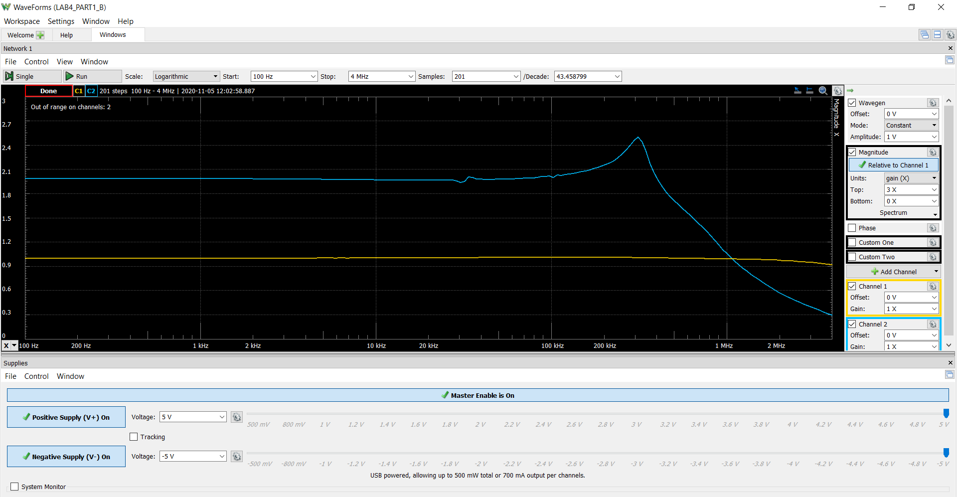
117.22787697 | 1.003249975 | 1.9522045557 | 0.019016585718 | 1.003249975 | 1.7522045557 | 0.019016585718
123.60646885 | 1.0032120452 | 1.9527684488 | 0.020402490013 | 1.0032120452 | 1.7527684488 | 0.020402490013
130.33213206 | 1.0032748161 | 1.9523393227 | 0.018719377188 | 1.0032748161 | 1.7523393227 | 0.018719377188
137.42375139 | 1.0032620951 | 1.9523496429 | 0.013078704653 | 1.0032620951 | 1.7523496429 | 0.013078704653
144.90123924 | 1.0032362398 | 1.9523364033 | 0.012770695908 | 1.0032362398 | 1.7523364033 | 0.012770695908
152.78559142 | 1.0032628633 | 1.9524735359 | 0.0053993207679 | 1.0032628633 | 1.7524735359 | 0.0053993207679
161.09894622 | 1.0032817322 | 1.9522602099 | 0.0058769754633 | 1.0032817322 | 1.7522602099 | 0.0058769754633
169.86464646 | 1.0032560413 | 1.9524455056 | 0.016517204519 | 1.0032560413 | 1.7524455056 | 0.016517204519
179.10730514 | 1.0032855964 | 1.9525359442 | 0.0080893981123 | 1.0032855964 | 1.7525359442 | 0.0080893981123
188.85287447 | 1.0032438105 | 1.9522369907 | 0.0069709018219 | 1.0032438105 | 1.7522369907 | 0.0069709018219
199.12871878 | 1.0032364198 | 1.9524673796 | 0.016954125551 | 1.0032364198 | 1.7524673796 | 0.016954125551
209.96369132 | 1.0031911377 | 1.9522823525 | 0.016004098957 | 1.0031911377 | 1.7522823525 | 0.016004098957
221.38821535 | 1.0032740804 | 1.952407802 | 0.0056312818068 | 1.0032740804 | 1.752407802 | 0.0056312818068
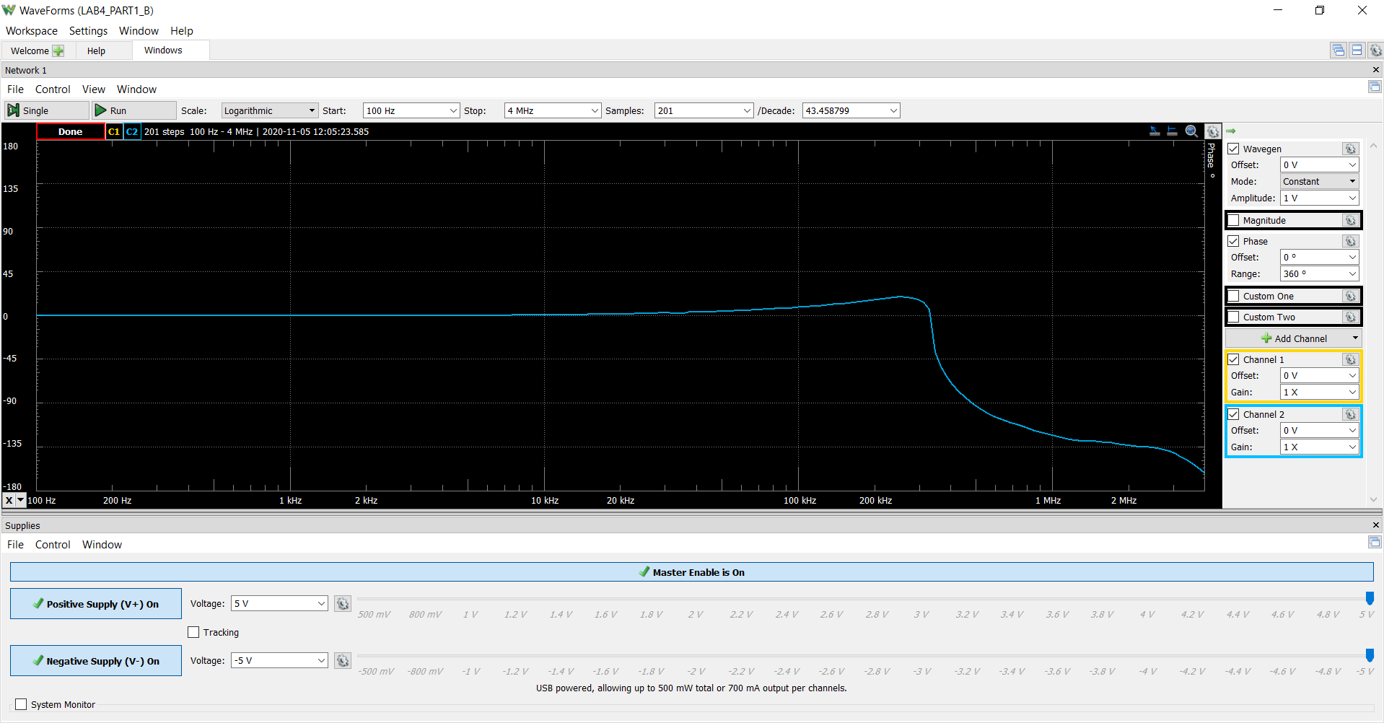
233.43436946 | 1.0032658127 | 1.9524917067 | 0.0074441077942 | 1.0032658127 | 1.7524917067 | 0.0074441077942
246.13597775 | 1.0032792513 | 1.9532511702 | 0.017436723714 | 1.0032792513 | 1.7532511702 | 0.017436723714
259.52870472 | 1.0032416152 | 1.9535221594 | 0.022352262187 | 1.0032416152 | 1.7535221594 | 0.022352262187
273.65015544 | 1.0032790783 | 1.9534605511 | 0.0092003514589 | 1.0032790783 | 1.7534605511 | 0.0092003514589
288.53998118 | 1.0032843504 | 1.9525389351 | 0.014464756995 | 1.0032843504 | 1.7525389351 | 0.014464756995
304.23999067 | 1.0032537163 | 1.952501797 | 0.016536947862 | 1.0032537163 | 1.752501797 | 0.016536947862
320.79426756 | 1.0032899349 | 1.9522860002 | 0.015228877873 | 1.0032899349 | 1.7522860002 | 0.015228877873
338.24929416 | 1.0032472602 | 1.9525388032 | 0.012014113538 | 1.0032472602 | 1.7525388032 | 0.012014113538
356.65408197 | 1.0032313527 | 1.9530774925 | 0.019058341466 | 1.0032313527 | 1.7530774925 | 0.019058341466
376.06030931 | 1.0032717798 | 1.9535056862 | 0.028704341567 | 1.0032717798 | 1.7535056862 | 0.028704341567
396.52246641 | 1.0032653241 | 1.9534074979 | 0.020546530787 | 1.0032653241 | 1.7534074979 | 0.020546530787
418.09800842 | 1.0032867237 | 1.9537883756 | 0.017244316594 | 1.0032867237 | 1.7537883756 | 0.017244316594
440.84751674 | 1.0032656404 | 1.9536566045 | 0.027868355532 | 1.0032656404 | 1.7536566045 | 0.027868355532
464.83486909 | 1.0032404196 | 1.9537290929 | 0.030086005336 | 1.0032404196 | 1.7537290929 | 0.030086005336
490.12741894 | 1.003286644 | 1.9535919685 | 0.023811490242 | 1.003286644 | 1.7535919685 | 0.023811490242
516.79618456 | 1.0032539023 | 1.9538326916 | 0.031955230364 | 1.0032539023 | 1.7538326916 | 0.031955230364
544.91604846 | 1.0032689338 | 1.9539440029 | 0.0358512752 | 1.0032689338 | 1.7539440029 | 0.0358512752
574.56596768 | 1.0033381646 | 1.9538436395 | 0.033629964023 | 1.0033381646 | 1.7538436395 | 0.033629964023
605.82919543 | 1.0032719018 | 1.9536222369 | 0.024474629992 | 1.0032719018 | 1.7536222369 | 0.024474629992
638.7935149 | 1.0032784819 | 1.9535782745 | 0.037276294995 | 1.0032784819 | 1.7535782745 | 0.037276294995
673.55148572 | 1.0032922281 | 1.9537972664 | 0.03156593468 | 1.0032922281 | 1.7537972664 | 0.03156593468
710.20070388 | 1.0032805315 | 1.9538335719 | 0.039355053248 | 1.0032805315 | 1.7538335719 | 0.039355053248
748.84407575 | 1.0033017437 | 1.9539437451 | 0.043066305525 | 1.0033017437 | 1.7539437451 | 0.043066305525
789.59010702 | 1.0033067488 | 1.9535667677 | 0.041123785261 | 1.0033067488 | 1.7535667677 | 0.041123785261
832.5532074 | 1.0033729819 | 1.9533435329 | 0.050858468897 | 1.0033729819 | 1.7533435329 | 0.050858468897
877.85401183 | 1.0033739108 | 1.9533205891 | 0.042951590877 | 1.0033739108 | 1.7533205891 | 0.042951590877
925.61971925 | 1.0034418993 | 1.953341164 | 0.056972844748 | 1.0034418993 | 1.753341164 | 0.056972844748
975.9844497 | 1.0033575549 | 1.9531944566 | 0.057046520896 | 1.0033575549 | 1.7531944566 | 0.057046520896
1029.089621 | 1.0034138985 | 1.9536350235 | 0.059822120716 | 1.0034138985 | 1.7536350235 | 0.059822120716
1085.0843457 | 1.0033510964 | 1.953820498 | 0.068797953463 | 1.0033510964 | 1.753820498 | 0.068797953463
1144.12585 | 1.0033835678 | 1.9536834745 | 0.064973910336 | 1.0033835678 | 1.7536834745 | 0.064973910336
1206.3799148 | 1.0034901179 | 1.952977382 | 0.088712510955 | 1.0034901179 | 1.752977382 | 0.088712510955
1272.0213418 | 1.0034894654 | 1.9533010458 | 0.067063857469 | 1.0034894654 | 1.7533010458 | 0.067063857469
1341.2344438 | 1.0034919168 | 1.9533083372 | 0.076192774459 | 1.0034919168 | 1.7533083372 | 0.076192774459
1414.2135624 | 1.0035363946 | 1.9533595657 | 0.083835138945 | 1.0035363946 | 1.7533595657 | 0.083835138945
1491.1636137 | 1.0035308521 | 1.9538526416 | 0.088431710222 | 1.0035308521 | 1.7538526416 | 0.088431710222
1572.3006637 | 1.0035690056 | 1.9536197701 | 0.086463187705 | 1.0035690056 | 1.7536197701 | 0.086463187705
1657.852535 | 1.0036437651 | 1.9531728182 | 0.093008306371 | 1.0036437651 | 1.7531728182 | 0.093008306371
...

Step 2.4
Vout vs Time Characteristics for R2 = 240 kΩ
0 | 1.2095697457E-06
0.0000001 | 1.2133816465E-06
0.0000002 | 1.2168514844E-06
0.0000004 | 1.2221431605E-06
0.0000008 | 1.2239677343E-06
0.0000016 | 1.2194664137E-06
0.0000032 | 1.2275750069E-06
0.0000064 | 1.2365380867E-06
0.0000128 | 1.2475647919E-06
0.0000256 | 1.2259179193E-06
0.0000456 | 1.1673409923E-06
0.0000656 | 1.2289174285E-06
0.0000856 | 1.2809327902E-06
0.0001056 | 1.1638958382E-06
0.0001256 | 1.144703211E-06
0.0001456 | 1.3349213101E-06
0.0001656 | 1.2575555989E-06
0.0001856 | 1.0176563617E-06
0.0002056 | 1.257659719E-06
0.0002256 | 1.4947045311E-06
0.0002456 | 1.0017211103E-06
0.0002656 | 9.1495847739E-07
0.0002856 | 1.6968574418E-06
0.0003056 | 1.4140946734E-06
0.0003256 | 3.8446295734E-07
0.0003456 | 1.3670714508E-06
0.0003656 | 2.382223583E-06
0.0003856 | 3.675145815E-07
0.0004056 | -8.5137871298E-08
0.0004256 | 3.1918743514E-06
0.0004456 | 2.1103657075E-06
0.0004656 | -2.2296558319E-06
0.0004856 | 1.7149307508E-06
0.0005056 | 6.1312481464E-06
0.0005256 | -2.170029142E-06
0.0005456 | -4.3546704666E-06
0.0005656 | 9.2873750198E-06
0.0005856 | 5.2682435728E-06
0.0006056 | -1.3089613315E-05
0.00062353167246 | 8.4913622177E-07
0.00064130132109 | 2.2997445545E-05
0.00065477116022 | 3.9056060817E-06
0.00066795392809 | -3.0214795809E-05
0.00067918278383 | -2.3396270296E-05
0.00068858538866 | 1.9293670034E-05
0.0006978570502 | 5.8037676463E-05
0.00070605333146 | 4.9375667675E-05
0.00071428888846 | -1.0660120835E-05
0.00072185327467 | -7.9018014613E-05
0.00072980704002 | -0.00010320471648
...
Time | v(vout)
Seconds | Volts
0 | 1.2095697457E-06
0.0000001 | 1.2133816465E-06
0.0000002 | 1.2168514844E-06
0.0000004 | 1.2221431605E-06
0.0000008 | 1.2239677343E-06
0.0000016 | 1.2194664137E-06
0.0000032 | 1.2275750069E-06
0.0000064 | 1.2365380867E-06
0.0000128 | 1.2475647919E-06
0.0000256 | 1.2259179193E-06
0.0000456 | 1.1673409923E-06
0.0000656 | 1.2289174285E-06
0.0000856 | 1.2809327902E-06
0.0001056 | 1.1638958382E-06
0.0001256 | 1.144703211E-06
0.0001456 | 1.3349213101E-06
0.0001656 | 1.2575555989E-06
0.0001856 | 1.0176563617E-06
0.0002056 | 1.257659719E-06
0.0002256 | 1.4947045311E-06
0.0002456 | 1.0017211103E-06
0.0002656 | 9.1495847739E-07
0.0002856 | 1.6968574418E-06
0.0003056 | 1.4140946734E-06
0.0003256 | 3.8446295734E-07
0.0003456 | 1.3670714508E-06
0.0003656 | 2.382223583E-06
0.0003856 | 3.675145815E-07
0.0004056 | -8.5137871298E-08
Vout vs Time Characteristics for R2 = 240 kΩ
-0.0003349337931 | 4.7336286967
-0.0003348037931 | 4.8193580814
-0.0003346737931 | 4.8789959142
-0.0003345437931 | 4.9237242888
-0.0003344137931 | 4.9684526634
-0.0003342837931 | 4.9945442153
-0.0003341537931 | 5.0169084026
-0.0003340237931 | 5.0318178608
-0.0003338937931 | 5.0392725899
-0.0003337637931 | 5.0429999544
-0.0003336337931 | 5.0541820481
-0.0003335037931 | 5.0579094126
-0.0003333737931 | 5.0579094126
-0.0003332437931 | 5.0653641417
-0.0003331137931 | 5.0690915063
-0.0003329837931 | 5.0728188708
-0.0003328537931 | 5.0690915063
-0.0003327237931 | 5.0728188708
-0.0003325937931 | 5.0765462354
-0.0003324637931 | 5.0802735999
-0.0003323337931 | 5.0765462354
-0.0003322037931 | 5.0840009645
-0.0003320737931 | 5.0765462354
-0.0003319437931 | 5.0765462354
-0.0003318137931 | 5.0765462354
-0.0003316837931 | 5.087728329
-0.0003315537931 | 5.0840009645
-0.0003314237931 | 5.0840009645
-0.0003312937931 | 5.0802735999
-0.0003311637931 | 5.087728329
-0.0003310337931 | 5.0840009645
-0.0003309037931 | 5.0914556936
-0.0003307737931 | 5.0840009645
-0.0003306437931 | 5.0840009645
-0.0003305137931 | 5.087728329
-0.0003303837931 | 5.0914556936
-0.0003302537931 | 5.087728329
-0.0003301237931 | 5.0840009645
-0.0003299937931 | 5.0840009645
-0.0003298637931 | 5.0914556936
-0.0003297337931 | 5.087728329
-0.0003296037931 | 5.087728329
-0.0003294737931 | 5.0840009645
-0.0003293437931 | 5.0840009645
-0.0003292137931 | 5.087728329
-0.0003290837931 | 5.087728329
-0.0003289537931 | 5.0914556936
-0.0003288237931 | 5.0914556936
-0.0003286937931 | 5.087728329
-0.0003285637931 | 5.0951830581
...
0.0004256 | 3.1918743514E-06
0.0004456 | 2.1103657075E-06
0.0004656 | -2.2296558319E-06
0.0004856 | 1.7149307508E-06
0.0005056 | 6.1312481464E-06
0.0005256 | -2.170029142E-06
0.0005456 | -4.3546704666E-06
0.0005656 | 9.2873750198E-06
0.0005856 | 5.2682435728E-06
0.0006056 | -1.3089613315E-05
0.00062353167246 | 8.4913622177E-07
0.00064130132109 | 2.2997445545E-05
0.00065477116022 | 3.9056060817E-06
0.00066795392809 | -3.0214795809E-05
0.00067918278383 | -2.3396270296E-05
0.00068858538866 | 1.9293670034E-05
0.0006978570502 | 5.8037676463E-05
0.00070605333146 | 4.9375667675E-05
0.00071428888846 | -1.0660120835E-05
0.00072185327467 | -7.9018014613E-05
0.00072980704002 | -0.00010320471648
0.00073663869072 | -5.2103530482E-05
0.00074354539343 | 5.6149714815E-05
0.00075081026771 | 0.000165451917
0.00075783236445 | 0.00018479711932
0.00076482536504 | 7.334727296E-05
0.0007722766285 | -0.00014384536871
0.00077985246089 | -0.00032158835539
0.00078643861897 | -0.00030774490937
0.00079342631905 | -6.4194885782E-05
0.00080106447546 | 0.00034399753645
0.0008090021033 | 0.00060864165782
0.00081611983969 | 0.00045128070712
0.00082324065627 | -0.00011032727151
0.0008308171744 | -0.00081800482007
0.00083819637002 | -0.0010894623267
0.00084510644028 | -0.00061697260021
0.00085277609392 | 0.00059316542959
0.00085977137465 | 0.0016841010751
0.00086657010114 | 0.0019144325637
0.00087418367487 | 0.00067791373401
...

Step 2.6
Vout vs Time Characteristics for R3 = R4 = 4.02 kΩ
0 | 1.2239179341E-06
0.0000001 | 1.2275864585E-06
0.0000002 | 1.2310741459E-06
0.0000004 | 1.2368271683E-06
0.0000008 | 1.2415044948E-06
0.0000016 | 1.2421122637E-06
0.0000032 | 1.2532274143E-06
0.0000064 | 1.2659647919E-06
0.0000128 | 1.2329458081E-06
0.0000256 | 1.1831884877E-06
0.0000456 | 1.2883506247E-06
0.0000656 | 1.1933839385E-06
0.0000856 | 1.2167447287E-06
0.0001056 | 1.3049530213E-06
0.0001256 | 1.1179208661E-06
0.0001456 | 1.327694909E-06
0.0001656 | 1.2111150001E-06
0.0001856 | 1.1340866617E-06
0.0002056 | 1.4243510245E-06
0.0002256 | 1.0216490569E-06
0.0002456 | 1.334059515E-06
0.0002656 | 1.3309036768E-06
0.0002856 | 9.1462147577E-07
0.0003056 | 1.6483973031E-06
0.0003256 | 9.2373608399E-07
0.0003456 | 1.205163139E-06
0.0003656 | 1.6868067288E-06
0.0003856 | 4.668517797E-07
0.0004056 | 1.9513799247E-06
0.0004256 | 9.9763037639E-07
0.0004456 | 6.6690041606E-07
0.0004656 | 2.530133451E-06
0.0004856 | -2.8513563058E-07
0.0005056 | 2.133013547E-06
0.0005256 | 1.6907833473E-06
0.0005456 | -7.8891696827E-07
0.0005656 | 4.1427907111E-06
0.0005856 | -1.1458019714E-06
0.0006056 | 1.4672456978E-06
0.0006256 | 4.0145776791E-06
0.0006456 | -3.9586901927E-06
0.0006656 | 6.5609947947E-06
0.0006856 | -1.1107978991E-06
0.0007056 | -1.8475699839E-06
0.0007256 | 9.7650942723E-06
0.0007448351299 | -9.5286070742E-06
0.00076298479498 | 7.6942546012E-06
0.00078226658069 | 4.6383076227E-06
0.00079879032189 | -1.4706267683E-05
0.00081216620978 | 2.0111993435E-05
...
Time | v(vout)
Seconds | Volts
0 | 1.2239179341E-06
0.0000001 | 1.2275864585E-06
0.0000002 | 1.2310741459E-06
0.0000004 | 1.2368271683E-06
0.0000008 | 1.2415044948E-06
0.0000016 | 1.2421122637E-06
0.0000032 | 1.2532274143E-06
0.0000064 | 1.2659647919E-06
0.0000128 | 1.2329458081E-06
0.0000256 | 1.1831884877E-06
0.0000456 | 1.2883506247E-06
0.0000656 | 1.1933839385E-06
0.0000856 | 1.2167447287E-06
0.0001056 | 1.3049530213E-06
0.0001256 | 1.1179208661E-06
0.0001456 | 1.327694909E-06
0.0001656 | 1.2111150001E-06
0.0001856 | 1.1340866617E-06
0.0002056 | 1.4243510245E-06
0.0002256 | 1.0216490569E-06
0.0002456 | 1.334059515E-06
0.0002656 | 1.3309036768E-06
0.0002856 | 9.1462147577E-07
0.0003056 | 1.6483973031E-06
0.0003256 | 9.2373608399E-07
0.0003456 | 1.205163139E-06
0.0003656 | 1.6868067288E-06
0.0003856 | 4.668517797E-07
0.0004056 | 1.9513799247E-06
Vout vs Time Characteristics for R3 = R4 = 4.02 kΩ
-0.00039151666667 | 2.4152079463
-0.00039138666667 | 2.6947602876
-0.00039125666667 | 2.9743126289
-0.00039112666667 | 3.2464102411
-0.00039099666667 | 3.5296899469
-0.00039086666667 | 3.8017875591
-0.00039073666667 | 4.0776125358
-0.00039060666667 | 4.3422554189
-0.00039047666667 | 4.5882614792
-0.00039034666667 | 4.7634476131
-0.00039021666667 | 4.8678138205
-0.00039008666667 | 4.9199969242
-0.00038995666667 | 4.9609979343
-0.00038982666667 | 4.9870894861
-0.00038969666667 | 5.0019989444
-0.00038956666667 | 5.0169084026
-0.00038943666667 | 5.0243631317
-0.00038930666667 | 5.0355452253
-0.00038917666667 | 5.0355452253
-0.00038904666667 | 5.0429999544
-0.00038891666667 | 5.0392725899
-0.00038878666667 | 5.046727319
-0.00038865666667 | 5.0504546835
-0.00038852666667 | 5.0541820481
-0.00038839666667 | 5.0504546835
-0.00038826666667 | 5.0541820481
-0.00038813666667 | 5.0541820481
-0.00038800666667 | 5.0541820481
-0.00038787666667 | 5.0579094126
-0.00038774666667 | 5.0579094126
-0.00038761666667 | 5.0579094126
-0.00038748666667 | 5.0579094126
-0.00038735666667 | 5.0616367772
-0.00038722666667 | 5.0579094126
-0.00038709666667 | 5.0653641417
-0.00038696666667 | 5.0616367772
-0.00038683666667 | 5.0690915063
-0.00038670666667 | 5.0653641417
-0.00038657666667 | 5.0653641417
-0.00038644666667 | 5.0616367772
-0.00038631666667 | 5.0653641417
-0.00038618666667 | 5.0579094126
-0.00038605666667 | 5.0579094126
-0.00038592666667 | 5.0579094126
-0.00038579666667 | 5.0653641417
-0.00038566666667 | 5.0616367772
-0.00038553666667 | 5.0690915063
-0.00038540666667 | 5.0653641417
-0.00038527666667 | 5.0653641417
-0.00038514666667 | 5.0690915063
...
0.0004256 | 9.9763037639E-07
0.0004456 | 6.6690041606E-07
0.0004656 | 2.530133451E-06
0.0004856 | -2.8513563058E-07
0.0005056 | 2.133013547E-06
0.0005256 | 1.6907833473E-06
0.0005456 | -7.8891696827E-07
0.0005656 | 4.1427907111E-06
0.0005856 | -1.1458019714E-06
0.0006056 | 1.4672456978E-06
0.0006256 | 4.0145776791E-06
0.0006456 | -3.9586901927E-06
0.0006656 | 6.5609947947E-06
0.0006856 | -1.1107978991E-06
0.0007056 | -1.8475699839E-06
0.0007256 | 9.7650942723E-06
0.0007448351299 | -9.5286070742E-06
0.00076298479498 | 7.6942546012E-06
0.00078226658069 | 4.6383076227E-06
0.00079879032189 | -1.4706267683E-05
0.00081216620978 | 2.0111993435E-05
0.00082516267053 | 1.6120006642E-06
0.00083585238071 | -3.0036302423E-05
0.0008437527776 | 1.5748648464E-05
0.00085098804646 | 5.0553408922E-05
0.00085506964243 | 1.9401447247E-05
0.0008587941808 | -4.0678274627E-05
0.00086256764553 | -8.7285541424E-05
0.00086574527483 | -7.7497636268E-05
0.00086901599895 | -6.4042687644E-06
0.00087263890824 | 0.00010655073293
0.00087641574666 | 0.0001728166229
0.00087981041399 | 0.00011667881289
0.000883563797 | -7.1630049758E-05
0.00088694266556 | -0.00025873423695
0.00089028189879 | -0.00031604891289
0.00089345631975 | -0.00016466338225
0.00089709327289 | 0.00020574202673
0.00090039046721 | 0.00052954983693
0.00090354772265 | 0.00058789386127
0.00090676269413 | 0.00025282570417
...

Step 2.9
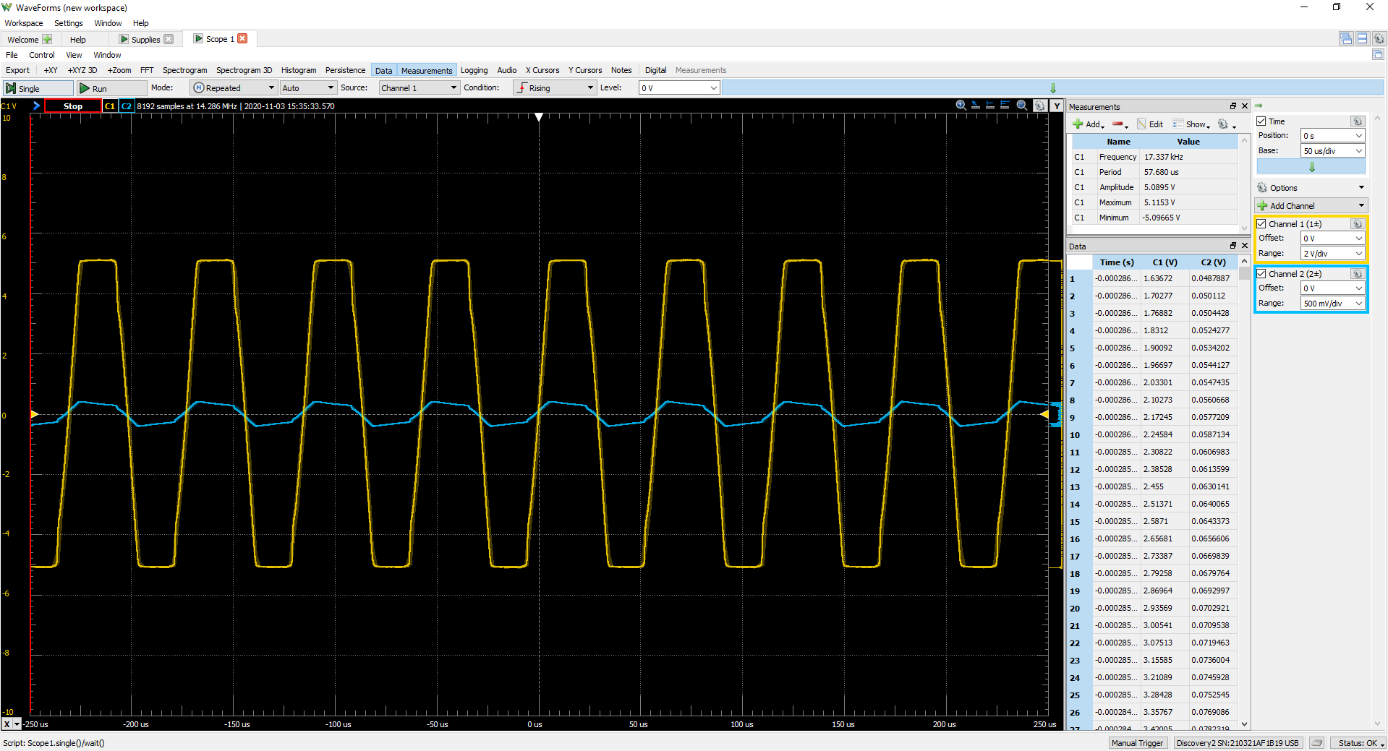
C2 (volt) | C1 | Frequency | 17.657 kHz
0.066050692027 | C1 | Period | 0.05663 ms
0.067071733041 | C1 | Amplitude | 5.1028 V
0.067752427051 | C1 | Maximum | 5.1138 V
0.067752427051 | C1 | Minimum | -5.12152 V
0.068092774056
0.068092774056
0.068092774056
0.068092774056
0.068092774056
0.067752427051
0.068092774056
0.067752427051
0.067752427051
0.067752427051
0.068092774056
0.067752427051
0.067752427051
0.067412080046
0.068092774056
0.067412080046
0.067752427051
0.067752427051
0.067071733041
0.067071733041
0.066050692027
0.066391039032
0.066050692027
0.065369998017
0.065710345022
0.065369998017
0.066050692027
0.065710345022
0.064689304007
0.064348957003
0.064689304007
0.064689304007
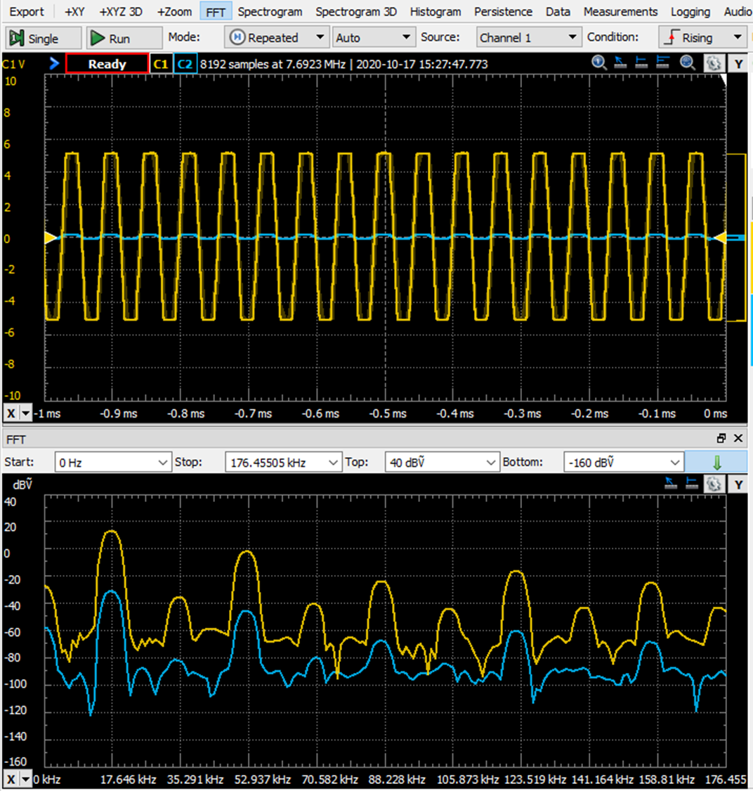
0.064689304007
0.064689304007
0.064008609998
0.063668262993
0.063327915988
0.063668262993
0.063327915988
0.063327915988
0.062987568983
0.062647221978
0.062647221978
0.061966527968
0.062647221978
0.062306874973
0.061626180964
0.062306874973
0.062306874973
0.061966527968
0.062306874973
0.061966527968
0.062306874973
0.061626180964
0.060945486954
0.060605139949
0.060605139949
0.060945486954
0.060945486954
0.060264792944
0.059584098934
0.059924445939
0.059584098934
0.05924375193
0.059584098934
0.058903404925
0.05856305792
0.05856305792
0.058222710915
0.058222710915
0.058903404925
0.05788236391
0.05788236391
0.058222710915
0.058222710915
0.05788236391
0.05788236391
0.057542016905
0.057542016905
0.057542016905
0.057542016905
0.0572016699
0.056861322895
0.0572016699
0.056520975891
0.0572016699
...

Step 2.10
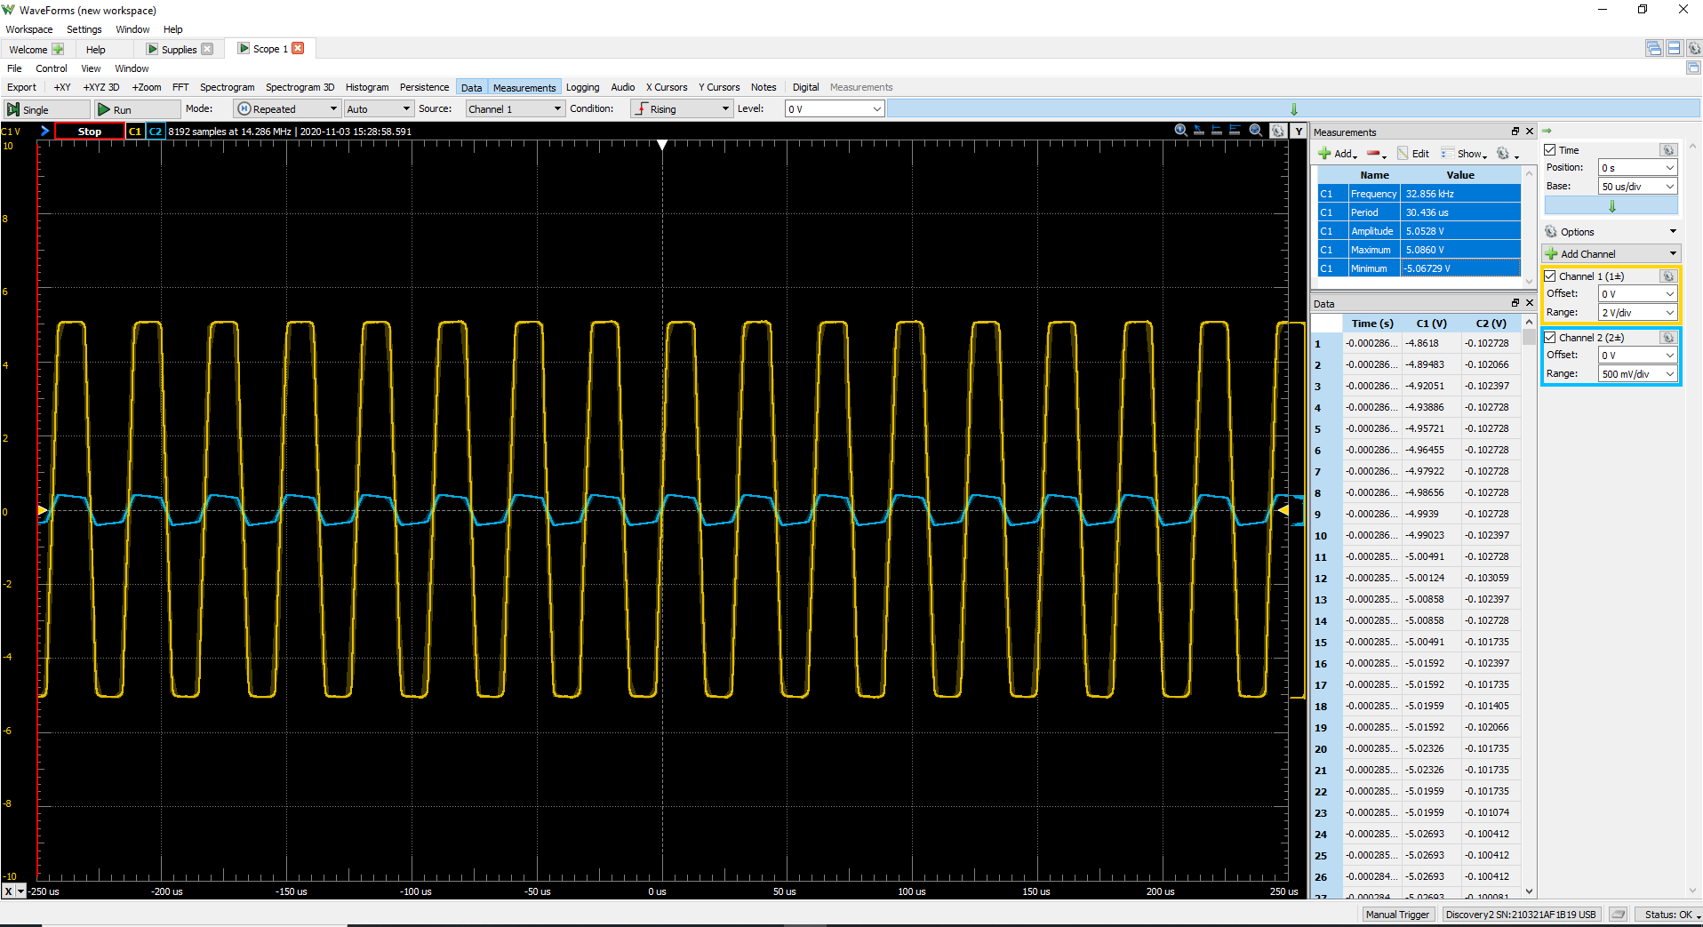
C2 (volt) | C1 | Frequency | 33.108 kHz
0.029633562506 | C1 | Period | 0.03020 ms
0.033037032555 | C1 | Amplitude | 5.0711 V
0.035759808594 | C1 | Maximum | 5.0915 V
0.038822931638 | C1 | Minimum | -5.08798 V
0.041545707677
0.043928136711
0.047671953764
0.050394729803
0.052777158837
0.054819240866
0.055840281881
0.056180628886
0.056180628886
0.055840281881
0.056520975891
0.056861322895
0.056520975891
0.056861322895
0.055840281881
0.056180628886
0.055840281881
0.055159587871
0.055159587871
0.055499934876
0.055159587871
0.055159587871
0.054478893861
0.054478893861
0.054478893861
0.054478893861
0.054138546857
0.054138546857
0.053798199852
0.053457852847
0.053457852847
0.053457852847
0.053117505842
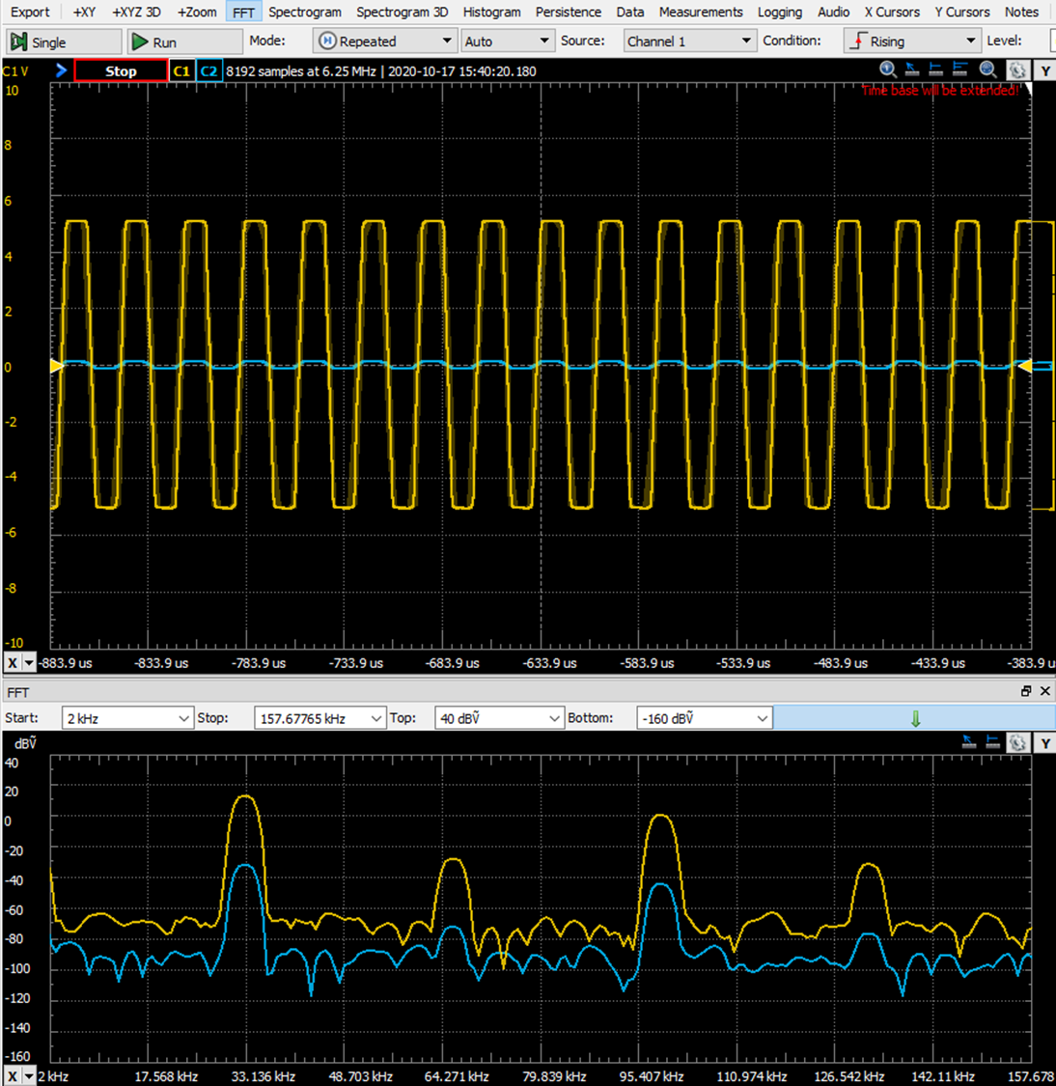
0.053117505842
0.052777158837
0.052777158837
0.052096464827
0.052436811832
0.052096464827
0.052436811832
0.052096464827
0.052096464827
0.052096464827
0.051415770818
0.051415770818
0.051415770818
0.051075423813
0.050735076808
0.050054382798
0.050394729803
0.050394729803
0.050735076808
0.050735076808
0.050735076808
0.050054382798
0.049714035793
0.049373688788
0.049033341784
0.049714035793
0.049373688788
0.049033341784
0.048692994779
0.048012300769
0.048012300769
0.047331606759
0.046991259754
0.047671953764
0.046991259754
0.047671953764
0.047331606759
0.046991259754
0.047331606759
0.047671953764
0.04665091275
0.046310565745
0.04597021874
0.045629871735
0.04460883072
0.04460883072
0.04460883072
0.043928136711
0.043587789706
0.043587789706
0.043247442701
0.043247442701
0.042566748691
...

